#1
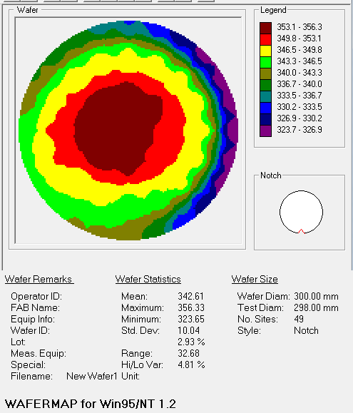
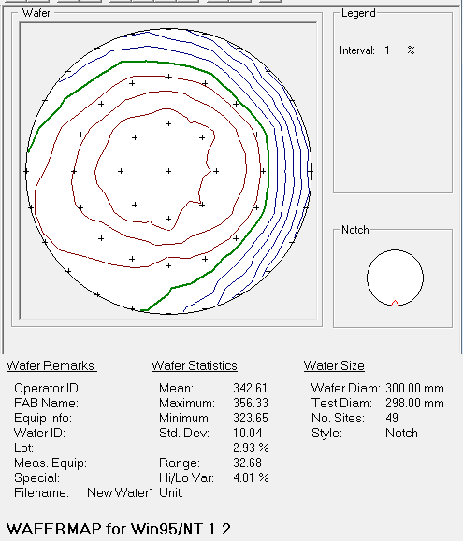
line | 좌표 | r | X | Y | Z Align | SigInt | Tilt X | Tilt Y | Hardware OK | MSE | Roughness | Thickness # 1 | Composition | Angle Offset | n of SiGe (Comp Library) @ 950.0 nm | Ge%
all | all | 0 | 0 | 0 | 0.5100382 | 27.463284 | -0.008696242 | 0.009719329 | 1 | 5.837034 | 13.483712 | 355.46848 | 0.8394704 | 0.2111866 | 3.7106369 | 16.05296
a4 | y | 5 | -1.00E-05 | 4.94 | 0.52283484 | 27.95439 | -0.008696242 | 0.009719329 | 1 | 5.7737827 | 13.430893 | 354.51532 | 0.842168 | 0.2075419 | 3.708874 | 15.7832
b4 | -45 | 5 | -3.4931197 | 3.4930902 | 0.4831324 | 28.569708 | -0.008696242 | 0.009719329 | 1 | 5.749646 | 13.558307 | 355.9458 | 0.8422457 | 0.21321325 | 3.7088225 | 15.77543
c4 | x | 5 | -4.94 | -1.00E-05 | 0.47226024 | 28.663857 | -0.008696242 | 0.009719329 | 1 | 5.7763505 | 13.719205 | 356.32886 | 0.84212464 | 0.21639845 | 3.7089026 | 15.787536
d4 | 45 | 5 | -3.4930902 | -3.4931197 | 0.4785341 | 28.371048 | -0.008696242 | 0.009719329 | 1 | 5.749664 | 13.824805 | 355.2815 | 0.8422934 | 0.20954955 | 3.7087908 | 15.77066
a2 | y | 5 | 1.00E-05 | -4.94 | 0.49988258 | 27.458712 | -0.008696242 | 0.009719329 | 1 | 5.7388134 | 13.8408165 | 353.80667 | 0.84256583 | 0.2019476 | 3.70861 | 15.743417
b2 | -45 | 5 | 3.4931197 | -3.4930902 | 0.49260068 | 26.632284 | -0.008696242 | 0.009719329 | 1 | 5.776859 | 13.655285 | 352.6973 | 0.8423501 | 0.19999672 | 3.7087533 | 15.76499
c2 | x | 5 | 4.94 | 1.00E-05 | 0.5187844 | 26.071938 | -0.008696242 | 0.009719329 | 1 | 5.8101697 | 13.482788 | 352.5096 | 0.8422732 | 0.19630471 | 3.7088044 | 15.77268
d2 | 45 | 5 | 3.4930902 | 3.4931197 | 0.5220766 | 26.66095 | -0.008696242 | 0.009719329 | 1 | 5.8579698 | 13.397021 | 353.86407 | 0.84208816 | 0.2024602 | 3.7089267 | 15.791184
a5 | y | 10 | -3.00E-05 | 9.88 | 0.5253959 | 28.064875 | -0.008696242 | 0.009719329 | 1 | 5.709188 | 13.098829 | 348.0229 | 0.8461458 | 0.200513 | 3.7063363 | 15.38542
 |  | 10 | -3.78095 | 9.12792 | 0.52523494 | 27.864481 | -0.008696242 | 0.009719329 | 1 | 5.6563444 | 13.2660055 | 348.3106 | 0.8463033 | 0.19568114 | 3.706235 | 15.36967
b5 | -45 | 10 | -6.9862394 | 6.98619 | 0.46055043 | 28.527937 | -0.008696242 | 0.009719329 | 1 | 5.6174464 | 13.49436 | 348.58844 | 0.84643406 | 0.2250923 | 3.706151 | 15.356594
 |  | 10 | -9.127951 | 3.78088 | 0.49597907 | 28.418554 | -0.008696242 | 0.009719329 | 1 | 5.606549 | 13.824868 | 349.64453 | 0.8478082 | 0.19329736 | 3.7052686 | 15.21918
c5 | x | 10 | -9.88 | -4.00E-05 | 0.4543892 | 28.735659 | -0.008696242 | 0.009719329 | 1 | 5.6011453 | 13.954566 | 350.41864 | 0.8473201 | 0.20997627 | 3.7055817 | 15.26799
 |  | 10 | -9.12792 | -3.78095 | 0.42514828 | 28.709768 | -0.008696242 | 0.009719329 | 1 | 5.606308 | 13.938405 | 350.03342 | 0.84726995 | 0.22415525 | 3.7056136 | 15.273005
d5 | 45 | 10 | -6.98619 | -6.9862394 | 0.47123608 | 28.480635 | -0.008696242 | 0.009719329 | 1 | 5.618787 | 14.051456 | 348.218 | 0.84773797 | 0.19595355 | 3.705314 | 15.226203
 |  | 10 | -3.78088 | -9.127951 | 0.4635256 | 28.646109 | -0.008696242 | 0.009719329 | 1 | 5.6590443 | 14.0154295 | 346.86877 | 0.8464227 | 0.20491344 | 3.7061582 | 15.35773
a1 | y | 10 | 4.00E-05 | -9.88 | 0.4962622 | 27.348806 | -0.008696242 | 0.009719329 | 1 | 5.676231 | 14.03966 | 345.5576 | 0.84714097 | 0.18068233 | 3.7056959 | 15.285903
 |  | 10 | 3.78095 | -9.12792 | 0.5041677 | 25.477795 | -0.008696242 | 0.009719329 | 1 | 5.7564955 | 13.813989 | 346.03317 | 0.8463261 | 0.1792476 | 3.7062204 | 15.36739
b1 | -45 | 10 | 6.9862504 | -6.98619 | 0.5078417 | 24.065762 | -0.008696242 | 0.009719329 | 1 | 5.788759 | 13.331904 | 347.5208 | 0.8428863 | 0.19322518 | 3.708397 | 15.71137
 |  | 10 | 9.127951 | -3.78088 | 0.509326 | 23.259892 | -0.008696242 | 0.009719329 | 1 | 5.772911 | 13.059144 | 347.74902 | 0.84223104 | 0.19210114 | 3.7088323 | 15.776896
c1 | x | 10 | 9.88 | 4.00E-05 | 0.516344 | 24.648273 | -0.008696242 | 0.009719329 | 1 | 5.8160133 | 12.893315 | 348.21918 | 0.84178036 | 0.19623831 | 3.70913 | 15.821964
 |  | 10 | 9.12792 | 3.78095 | 0.52315164 | 25.034582 | -0.008696242 | 0.009719329 | 1 | 5.822644 | 12.793517 | 348.25592 | 0.8424285 | 0.1979982 | 3.7087014 | 15.75715
d1 | 45 | 10 | 6.9861803 | 6.9862504 | 0.55033016 | 24.125435 | -0.008696242 | 0.009719329 | 1 | 5.8626547 | 12.840298 | 347.65103 | 0.8428015 | 0.19700272 | 3.7084534 | 15.71985
 |  | 10 | 3.78088 | 9.127951 | 0.52358437 | 27.270481 | -0.008696242 | 0.009719329 | 1 | 5.7676444 | 13.035333 | 347.38028 | 0.846107 | 0.19296832 | 3.706361 | 15.3893
a6 | y | 15 | -6.00E-05 | 14.82 | 0.5314444 | 28.450134 | -0.008696242 | 0.009719329 | 1 | 4.117764 | 12.65976 | 333.1133 | 0.84764016 | 0.19851352 | 3.7053766 | 15.235984
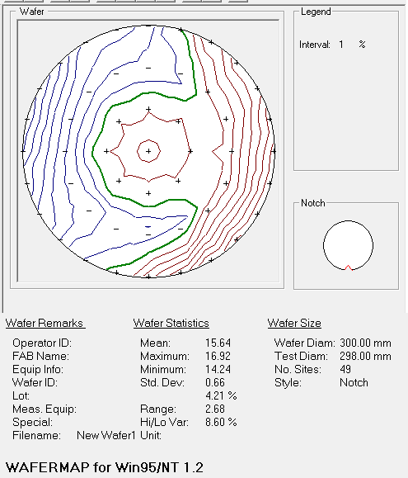
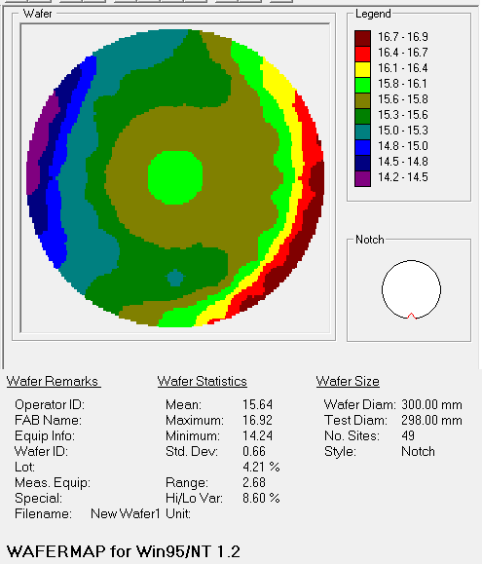
 |  | 15 | -3.83576 | 14.31501 | 0.5101457 | 28.631872 | -0.008696242 | 0.009719329 | 1 | 4.2651143 | 12.775738 | 335.30753 | 0.84919024 | 0.20495048 | 3.7043748 | 15.080976
 |  | 15 | -7.4100404 | 12.83448 | 0.48133948 | 28.662472 | -0.008696242 | 0.009719329 | 1 | 4.354577 | 11.914009 | 336.89322 | 0.8492752 | 0.21843499 | 3.7043195 | 15.07248
b6 | -45 | 15 | -10.479361 | 10.47928 | 0.44655934 | 28.4113 | -0.008696242 | 0.009719329 | 1 | 4.5884175 | 12.215593 | 337.90506 | 0.8531421 | 0.22437117 | 3.7018378 | 14.68579
 |  | 15 | -12.83452 | 7.4099603 | 0.45343238 | 27.983368 | -0.008696242 | 0.009719329 | 1 | 4.7063794 | 13.144915 | 339.62463 | 0.85614115 | 0.2085922 | 3.6999235 | 14.385885
 |  | 15 | -14.315041 | 3.83564 | 0.44172195 | 27.245024 | -0.008696242 | 0.009719329 | 1 | 4.713124 | 14.3135195 | 341.44434 | 0.8576154 | 0.20160224 | 3.6989775 | 14.23846
c6 | x | 15 | -14.82 | -6.00E-05 | 0.41149685 | 26.222595 | -0.008696242 | 0.009719329 | 1 | 4.6366334 | 14.719719 | 343.63168 | 0.8561908 | 0.20868132 | 3.699892 | 14.38092
 |  | 15 | -14.31501 | -3.83576 | 0.41187137 | 24.943075 | -0.008696242 | 0.009719329 | 1 | 4.570125 | 14.454997 | 345.81927 | 0.85386544 | 0.2175895 | 3.7013776 | 14.613456
 |  | 15 | -12.83446 | -7.4100404 | 0.4003985 | 24.077522 | -0.008696242 | 0.009719329 | 1 | 4.385215 | 14.213551 | 345.78412 | 0.8516121 | 0.22432472 | 3.702799 | 14.83879
d6 | 45 | 15 | -10.47928 | -10.47937 | 0.39294705 | 23.390335 | -0.008696242 | 0.009719329 | 1 | 4.073487 | 14.322589 | 344.39572 | 0.8482654 | 0.22566608 | 3.7049744 | 15.17346
 |  | 15 | -7.4099402 | -12.83452 | 0.40824106 | 22.975996 | -0.008696242 | 0.009719329 | 1 | 3.8752377 | 14.386615 | 342.80057 | 0.84459174 | 0.21167523 | 3.7073252 | 15.540826
 |  | 15 | -3.83564 | -14.315041 | 0.39603174 | 23.564907 | -0.008696242 | 0.009719329 | 1 | 3.9116275 | 14.43618 | 342.87717 | 0.84331846 | 0.22862302 | 3.7081237 | 15.668154
a0 | y | 15 | 6.00E-05 | -14.82 | 0.58667547 | 21.885416 | -0.008696242 | 0.009719329 | 1 | 3.6750872 | 15.115793 | 341.02917 | 0.8396617 | 0.16902512 | 3.710513 | 16.03383
 |  | 15 | 3.83576 | -14.31501 | 0.617205 | 14.915528 | -0.008696242 | 0.009719329 | 1 | 3.5310345 | 14.935383 | 336.89542 | 0.8359921 | 0.15560547 | 3.7128735 | 16.40079
 |  | 15 | 7.41006 | -12.83446 | 0.59280187 | 14.565031 | -0.008696242 | 0.009719329 | 1 | 3.5523999 | 13.767246 | 331.58368 | 0.8325728 | 0.15201028 | 3.7150493 | 16.74272
b0 | -45 | 15 | 10.47937 | -10.47928 | 0.5927421 | 14.731356 | -0.008696242 | 0.009719329 | 1 | 3.5351212 | 12.683476 | 327.15442 | 0.8308053 | 0.15541437 | 3.7161574 | 16.91947
 |  | 15 | 12.834531 | -7.4099402 | 0.59615976 | 13.903476 | -0.008696242 | 0.009719329 | 1 | 3.6151426 | 11.951488 | 324.76498 | 0.83107096 | 0.15101607 | 3.715992 | 16.892904
 |  | 15 | 14.315041 | -3.83564 | 0.5955706 | 12.622316 | -0.008696242 | 0.009719329 | 1 | 3.6185894 | 11.763305 | 323.9668 | 0.8310888 | 0.14766023 | 3.715981 | 16.89112
c0 | x | notch | 14.82 | 6.00E-05 | N/A | N/A | N/A | N/A | 0
 |  | 15 | 14.31501 | 3.83576 | 0.62191004 | 14.456682 | -0.008696242 | 0.009719329 | 1 | 3.5668197 | 12.547542 | 323.65057 | 0.83337593 | 0.14755237 | 3.7145393 | 16.662407
 |  | 15 | 12.83446 | 7.41006 | 0.6292652 | 16.756004 | -0.008696242 | 0.009719329 | 1 | 3.5933723 | 12.913729 | 323.8654 | 0.8357856 | 0.14572331 | 3.713004 | 16.42144
d0 | 45 | 15 | 10.47928 | 10.47937 | 0.6263805 | 19.624262 | -0.008696242 | 0.009719329 | 1 | 3.5687795 | 12.646316 | 324.56335 | 0.8361796 | 0.15298517 | 3.7127545 | 16.38204
 |  | 15 | 7.4099402 | 12.834531 | 0.5965353 | 23.419964 | -0.008696242 | 0.009719329 | 1 | 3.6710947 | 12.669768 | 327.3913 | 0.83930886 | 0.1638063 | 3.7107408 | 16.069114
 |  | 15 | 3.83564 | 14.315041 | 0.56318206 | 27.223616 | -0.008696242 | 0.009719329 | 1 | 3.9151914 | 12.790564 | 330.68994 | 0.8433175 | 0.18266867 | 3.7081244 | 15.66825
 |  |  |  |  |  |  |  |  |  |  |  | 343.00086542 |  |  |  | 15.615144542

 |  | line | X | Y | Thickness # 1 | Ge% |  |  | line | X | Y | Thickness # 1 | Ge%
 |  | a0 | 6.00E-05 | -14.82 | 341.02917 | 16.03383 |  |  | b0 | 10.47937 | -10.47928 | 327.15442 | 16.91947
 |  | a1 | 4.00E-05 | -9.88 | 345.5576 | 15.285903 |  |  | b1 | 6.9862504 | -6.98619 | 347.5208 | 15.71137
 | x | a2 | 1.00E-05 | -4.94 | 353.80667 | 15.743417 |  |  | b2 | 3.4931197 | -3.4930902 | 352.6973 | 15.76499
 |  | all | 0 | 0 | 355.46848 | 16.05296 |  | 45 | all | 0 | 0 | 355.46848 | 16.05296
 |  | a4 | -1.00E-05 | 4.94 | 354.51532 | 15.7832 |  |  | b4 | -3.4931197 | 3.4930902 | 355.9458 | 15.77543
 |  | a5 | -3.00E-05 | 9.88 | 348.0229 | 15.38542 |  |  | b5 | -6.9862394 | 6.98619 | 348.58844 | 15.356594
 |  | a6 | -6.00E-05 | 14.82 | 333.1133 | 15.235984 |  |  | b6 | -10.479361 | 10.47928 | 337.90506 | 14.68579

 |  | line | X | Y | Thickness # 1 | Ge% |  |  | line | X | Y | Thickness # 1 | Ge%
 |  | c0 | 14.82 | 6.00E-05 | 0 | 0 |  |  | ``````````` | 10.47928 | 10.47937 | 324.56335 | 16.38204
 |  | c1 | 9.88 | 4.00E-05 | 348.21918 | 15.821964 |  |  | d1 | 6.9861803 | 6.9862504 | 347.65103 | 15.71985 |  | `
 |  | c2 | 4.94 | 1.00E-05 | 352.5096 | 15.77268 |  |  | d2 | 3.4930902 | 3.4931197 | 353.86407 | 15.791184
 | y | all | 0 | 0 | 355.46848 | 16.05296 |  | -45 | all | 0 | 0 | 355.46848 | 16.05296
 |  | c4 | -4.94 | -1.00E-05 | 356.32886 | 15.787536 |  |  | d4 | -3.4930902 | -3.4931197 | 355.2815 | 15.77066
 |  | c5 | -9.88 | -4.00E-05 | 350.41864 | 15.26799 |  |  | d5 | -6.98619 | -6.9862394 | 348.218 | 15.226203
 |  | c6 | -14.82 | -6.00E-05 | 343.63168 | 14.38092 |  |  | d6 | -10.47928 | -10.47937 | 344.39572 | 15.17346 | `

 |  |  |  | `

 |  |  | `

#2
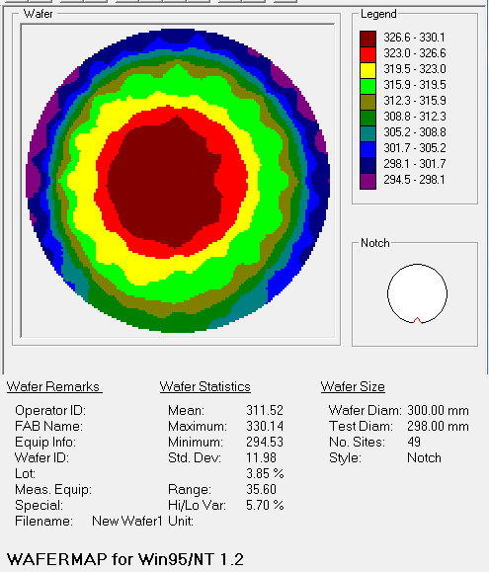
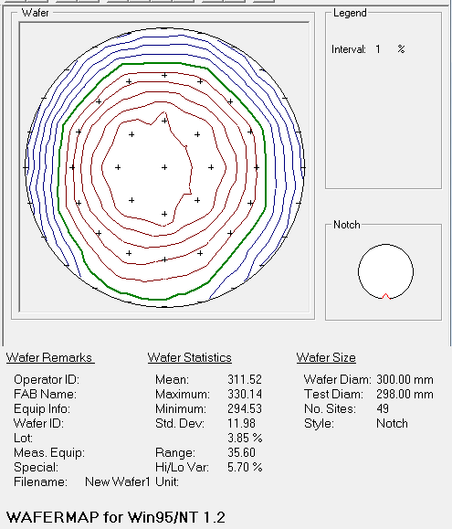
line | 좌표 | r | X | Y | Z Align | SigInt | Tilt X | Tilt Y | Hardware OK | MSE | Roughness | Thickness # 1 | Composition | Angle Offset | n of SiGe (Comp Library) @ 950.0 nm | Ge %
all | all | 0 | 0 | 0 | 0.5196366 | 27.48776 | -0.0076731546 | 0.009719329 | 1 | 5.8041 | 14.096155 | 329.57767 | 0.8296464 | 0.1942538 | 3.7168791 | 17.03536
a4 | y | 5 | -1.00E-05 | 4.94 | 0.53762156 | 27.974201 | -0.0076731546 | 0.009719329 | 1 | 5.8138795 | 14.108959 | 327.6997 | 0.8322819 | 0.1954368 | 3.715233 | 16.77181
b4 | -45 | 5 | -3.4931197 | 3.4930902 | 0.49998754 | 28.592352 | -0.0076731546 | 0.009719329 | 1 | 5.8014503 | 14.01385 | 329.48416 | 0.830015 | 0.2126944 | 3.7166502 | 16.9985
c4 | x | 5 | -4.94 | -1.00E-05 | 0.4871304 | 28.716484 | -0.0076731546 | 0.009719329 | 1 | 5.876709 | 14.006999 | 329.8428 | 0.829752 | 0.21526521 | 3.7168136 | 17.0248
d4 | 45 | 5 | -3.4930902 | -3.4931197 | 0.49352518 | 28.39152 | -0.0076731546 | 0.009719329 | 1 | 5.8309803 | 14.007052 | 330.13593 | 0.830158 | 0.20745727 | 3.716561 | 16.9842
a2 | y | 5 | 1.00E-05 | -4.94 | 0.51331353 | 27.426079 | -0.0076731546 | 0.009719329 | 1 | 5.8213387 | 14.212466 | 328.62073 | 0.83083344 | 0.19371444 | 3.7161398 | 16.916656
b2 | -45 | 5 | 3.4931197 | -3.4930902 | 0.50857097 | 26.459309 | -0.0076731546 | 0.009719329 | 1 | 5.812149 | 14.385799 | 326.70837 | 0.83278936 | 0.18326291 | 3.7149122 | 16.721064
c2 | x | 5 | 4.94 | 1.00E-05 | 0.53324 | 25.951265 | -0.0076731546 | 0.009719329 | 1 | 5.8070483 | 14.395385 | 326.14703 | 0.8330301 | 0.1803876 | 3.7147593 | 16.69699
d2 | 45 | 5 | 3.4930902 | 3.4931197 | 0.53798443 | 26.59637 | -0.0076731546 | 0.009719329 | 1 | 5.785866 | 14.258609 | 326.44702 | 0.8334744 | 0.18323237 | 3.7144763 | 16.65256
a5 | y | 10 | -3.00E-05 | 9.88 | 0.53971213 | 28.042976 | -0.0076731546 | 0.009719329 | 1 | 5.687596 | 13.78068 | 317.9645 | 0.8382582 | 0.17872855 | 3.7114203 | 16.17418
 |  | 10 | -3.78095 | 9.12792 | 0.53951716 | 27.79752 | -0.0076731546 | 0.009719329 | 1 | 5.7064767 | 13.874487 | 318.83286 | 0.83813083 | 0.1752907 | 3.711503 | 16.186917
b5 | -45 | 10 | -6.9862394 | 6.98619 | 0.4748567 | 28.55554 | -0.0076731546 | 0.009719329 | 1 | 5.7072763 | 13.889565 | 319.73215 | 0.8381051 | 0.20214076 | 3.7115197 | 16.18949
 |  | 10 | -9.127951 | 3.78088 | 0.51126146 | 28.447105 | -0.0076731546 | 0.009719329 | 1 | 5.7017145 | 13.892801 | 320.22498 | 0.8379603 | 0.17894466 | 3.7116134 | 16.20397
c5 | x | 10 | -9.88 | -4.00E-05 | 0.46885383 | 28.77734 | -0.0076731546 | 0.009719329 | 1 | 5.6552367 | 13.804089 | 320.7426 | 0.83645034 | 0.20202063 | 3.7125823 | 16.354966
 |  | 10 | -9.12792 | -3.78095 | 0.44077662 | 28.78583 | -0.0076731546 | 0.009719329 | 1 | 5.7645564 | 13.716216 | 320.89468 | 0.83627206 | 0.21788445 | 3.7126958 | 16.372794
d5 | 45 | 10 | -6.98619 | -6.9862394 | 0.48649904 | 28.515617 | -0.0076731546 | 0.009719329 | 1 | 5.686945 | 13.992475 | 320.72446 | 0.8381916 | 0.18299685 | 3.7114637 | 16.18084
 |  | 10 | -3.78088 | -9.127951 | 0.4825394 | 28.614708 | -0.0076731546 | 0.009719329 | 1 | 5.696567 | 14.235759 | 320.3101 | 0.83816344 | 0.18380223 | 3.7114818 | 16.183656
a1 | y | 10 | 4.00E-05 | -9.88 | 0.5112564 | 27.291687 | -0.0076731546 | 0.009719329 | 1 | 5.6686273 | 14.397545 | 318.7309 | 0.8383122 | 0.16774286 | 3.7113853 | 16.16878
 |  | 10 | 3.78095 | -9.12792 | 0.5170273 | 25.376152 | -0.0076731546 | 0.009719329 | 1 | 5.666081 | 14.504423 | 317.68552 | 0.83924013 | 0.15781693 | 3.7107852 | 16.075987
b1 | -45 | 10 | 6.9862504 | -6.98619 | 0.521047 | 23.930729 | -0.0076731546 | 0.009719329 | 1 | 5.6390095 | 14.609545 | 317.01755 | 0.8389744 | 0.15665257 | 3.7109559 | 16.10256
 |  | 10 | 9.127951 | -3.78088 | 0.52308255 | 22.954142 | -0.0076731546 | 0.009719329 | 1 | 5.6688595 | 14.524001 | 316.8974 | 0.8383372 | 0.15725109 | 3.711369 | 16.16628
c1 | x | 10 | 9.88 | 4.00E-05 | 0.5267684 | 24.464329 | -0.0076731546 | 0.009719329 | 1 | 5.569327 | 14.426119 | 316.79025 | 0.8381194 | 0.15884666 | 3.7115104 | 16.18806
 |  | 10 | 9.12792 | 3.78095 | 0.53663725 | 24.81223 | -0.0076731546 | 0.009719329 | 1 | 5.6152406 | 14.171413 | 317.21204 | 0.8382654 | 0.16144317 | 3.7114158 | 16.17346
d1 | 45 | 10 | 6.9861803 | 6.9862504 | 0.5637864 | 23.952898 | -0.0076731546 | 0.009719329 | 1 | 5.641259 | 13.995753 | 316.9333 | 0.8386894 | 0.16034037 | 3.71114 | 16.13106
 |  | 10 | 3.78088 | 9.127951 | 0.53814584 | 27.135746 | -0.0076731546 | 0.009719329 | 1 | 5.642849 | 13.936334 | 317.23837 | 0.83869207 | 0.1704331 | 3.7111382 | 16.130793
a6 | y | 15 | -6.00E-05 | 14.82 | 0.5488361 | 28.342014 | -0.0076731546 | 0.009719329 | 1 | 5.0033455 | 13.596091 | 298.94144 | 0.8483432 | 0.173491 | 3.704924 | 15.16568
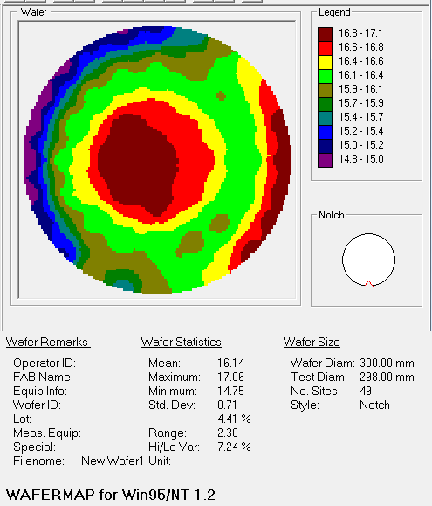
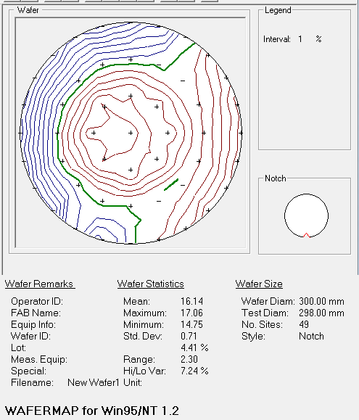
 |  | 15 | -3.83576 | 14.31501 | 0.5274725 | 28.606588 | -0.0076731546 | 0.009719329 | 1 | 5.113676 | 14.015245 | 298.17764 | 0.8504782 | 0.17091705 | 3.703531 | 14.95218
 |  | 15 | -7.4100404 | 12.83448 | 0.498111 | 28.664824 | -0.0076731546 | 0.009719329 | 1 | 5.04219 | 13.730549 | 299.75656 | 0.8480875 | 0.18391916 | 3.705089 | 15.19125
b6 | -45 | 15 | -10.479361 | 10.47928 | 0.46214134 | 28.445385 | -0.0076731546 | 0.009719329 | 1 | 5.1324973 | 13.751568 | 296.88013 | 0.851078 | 0.18593572 | 3.7031343 | 14.8922
 |  | 15 | -12.83452 | 7.4099603 | 0.47399476 | 28.028685 | -0.0076731546 | 0.009719329 | 1 | 5.292485 | 13.9278755 | 295.3615 | 0.8515505 | 0.1764164 | 3.7028375 | 14.84495
 |  | 15 | -14.315041 | 3.83564 | 0.44566128 | 27.309053 | -0.0076731546 | 0.009719329 | 1 | 5.2802095 | 13.8146305 | 294.54208 | 0.8520891 | 0.17675462 | 3.702501 | 14.79109
c6 | x | 15 | -14.82 | -6.00E-05 | 0.43236557 | 26.263964 | -0.0076731546 | 0.009719329 | 1 | 5.217695 | 13.7709875 | 294.5343 | 0.85245425 | 0.17923714 | 3.702272 | 14.754575
 |  | 15 | -14.31501 | -3.83576 | 0.42777765 | 25.045574 | -0.0076731546 | 0.009719329 | 1 | 5.1428657 | 13.082886 | 297.77567 | 0.8512703 | 0.1836798 | 3.7030118 | 14.87297
 |  | 15 | -12.83446 | -7.4100404 | 0.41985428 | 24.094679 | -0.0076731546 | 0.009719329 | 1 | 5.1067047 | 12.889425 | 300.8838 | 0.84919137 | 0.1971383 | 3.704374 | 15.080863
d6 | 45 | 15 | -10.47928 | -10.47937 | 0.4158891 | 23.37175 | -0.0076731546 | 0.009719329 | 1 | 5.078031 | 13.144173 | 304.87494 | 0.8483487 | 0.20176396 | 3.7049205 | 15.16513
 |  | 15 | -7.4099402 | -12.83452 | 0.43083265 | 23.018175 | -0.0076731546 | 0.009719329 | 1 | 4.6591635 | 14.181695 | 309.7979 | 0.8389898 | 0.20172276 | 3.710946 | 16.10102
 |  | 15 | -3.83564 | -14.315041 | 0.46559408 | 22.98635 | -0.0076731546 | 0.009719329 | 1 | 4.7918453 | 15.043061 | 309.92395 | 0.84457326 | 0.18087843 | 3.707337 | 15.542674
a0 | y | 15 | 6.00E-05 | -14.82 | 0.5292649 | 21.325127 | -0.0076731546 | 0.009719329 | 1 | 4.5510073 | 14.949196 | 310.51157 | 0.83915365 | 0.16698779 | 3.7108407 | 16.084635
 |  | 15 | 3.83576 | -14.31501 | 0.5672448 | 17.90946 | -0.0076731546 | 0.009719329 | 1 | 4.4546657 | 14.64193 | 308.47882 | 0.83668166 | 0.16077001 | 3.712435 | 16.331834
 |  | 15 | 7.41006 | -12.83446 | 0.60247874 | 14.955736 | -0.0076731546 | 0.009719329 | 1 | 4.267702 | 14.454215 | 305.43143 | 0.83404934 | 0.145646 | 3.7141082 | 16.595066
b0 | -45 | 15 | 10.47937 | -10.47928 | 0.6080431 | 14.022083 | -0.0076731546 | 0.009719329 | 1 | 4.104539 | 14.950524 | 301.723 | 0.8304796 | 0.13934727 | 3.7163603 | 16.95204
 |  | 15 | 12.834531 | -7.4099402 | 0.60193473 | 13.241714 | -0.0076731546 | 0.009719329 | 1 | 4.11892 | 14.360979 | 300.97388 | 0.8306994 | 0.13608216 | 3.7162232 | 16.93006
 |  | 15 | 14.315041 | -3.83564 | 0.6044749 | 13.902264 | -0.0076731546 | 0.009719329 | 1 | 3.9675188 | 14.749937 | 299.13483 | 0.82941663 | 0.13240622 | 3.7170215 | 17.058337
c0 | x | notch | 14.82 | 6.00E-05 | N/A | N/A | N/A | N/A | 0 | N/A | N/A | 298 | N/A | N/A | N/A | 17.03
 |  | 15 | 14.31501 | 3.83576 | 0.6285572 | 17.057467 | -0.0076731546 | 0.009719329 | 1 | 3.993414 | 14.610535 | 297.15576 | 0.82978374 | 0.13561647 | 3.716794 | 17.021626
 |  | 15 | 12.83446 | 7.41006 | 0.6334669 | 18.355295 | -0.0076731546 | 0.009719329 | 1 | 4.1192317 | 13.770068 | 296.28976 | 0.83233637 | 0.1427749 | 3.7151988 | 16.766363
d0 | 45 | 15 | 10.47928 | 10.47937 | 0.63685036 | 19.54502 | -0.0076731546 | 0.009719329 | 1 | 4.316177 | 12.933575 | 295.58905 | 0.8348264 | 0.14855886 | 3.7136073 | 16.51736
 |  | 15 | 7.4099402 | 12.834531 | 0.6093068 | 23.202942 | -0.0076731546 | 0.009719329 | 1 | 4.6449823 | 12.851668 | 297.60666 | 0.83949906 | 0.16143441 | 3.7106183 | 16.050094
 |  | 15 | 3.83564 | 14.315041 | 0.577378 | 27.129076 | -0.0076731546 | 0.009719329 | 1 | 4.795797 | 13.51003 | 299.70575 | 0.8452687 | 0.16734536 | 3.7068963 | 15.47313
 |  |  |  |  |  |  |  |  |  |  |  | 311.52337735 |  |  |  | 16.141854286

 |  | line | X | Y | Thickness # 1 | Ge% |  |  | line | X | Y | Thickness # 1 | Ge%
 |  | a0 | 6.00E-05 | -14.82 | 310.51157 | 16.084635 |  |  | b0 | 10.47937 | -10.47928 | 301.723 | 16.95204
 |  | a1 | 4.00E-05 | -9.88 | 318.7309 | 16.16878 |  |  | b1 | 6.9862504 | -6.98619 | 317.01755 | 16.10256
 |  | a2 | 1.00E-05 | -4.94 | 328.62073 | 16.916656 |  |  | b2 | 3.4931197 | -3.4930902 | 326.70837 | 16.721064
 |  | all | 0 | 0 | 329.57767 | 17.03536 |  |  | all | 0 | 0 | 329.57767 | 17.03536 |  |  |  |  |  |  |  | #2 | b1 | 6.9862504 | -6.98619 | 317.01755 | 16.10256
 |  | a4 | -1.00E-05 | 4.94 | 327.6997 | 16.77181 |  |  | b4 | -3.4931197 | 3.4930902 | 329.48416 | 16.9985 |  |  |  |  |  |  |  | #1 |  | 6.9862504 | -6.98619 | 347.5208 | 15.71137
 |  | a5 | -3.00E-05 | 9.88 | 317.9645 | 16.17418 |  |  | b5 | -6.9862394 | 6.98619 | 319.73215 | 16.18949
 |  | a6 | -6.00E-05 | 14.82 | 298.94144 | 15.16568 |  |  | b6 | -10.479361 | 10.47928 | 296.88013 | 14.8922

 |  | line | X | Y | Thickness # 1 | Ge% |  |  | line | X | Y | Thickness # 1 | Ge%
 |  | c0 | 14.82 | 6.00E-05 | 298 | 17.03 |  |  | d0 | 10.47928 | 10.47937 | 295.58905 | 16.51736
 |  | c1 | 9.88 | 4.00E-05 | 316.79025 | 16.18806 |  |  | d1 | 6.9861803 | 6.9862504 | 316.9333 | 16.13106
 |  | c2 | 4.94 | 1.00E-05 | 326.14703 | 16.69699 |  |  | d2 | 3.4930902 | 3.4931197 | 326.44702 | 16.65256
 |  | all | 0 | 0 | 329.57767 | 17.03536 |  |  | all | 0 | 0 | 329.57767 | 17.03536
 |  | c4 | -4.94 | -1.00E-05 | 329.8428 | 17.0248 |  |  | d4 | -3.4930902 | -3.4931197 | 330.13593 | 16.9842
 |  | c5 | -9.88 | -4.00E-05 | 320.7426 | 16.354966 |  |  | d5 | -6.98619 | -6.9862394 | 320.72446 | 16.18084
 |  | c6 | -14.82 | -6.00E-05 | 294.5343 | 14.754575 |  |  | d6 | -10.47928 | -10.47937 | 304.87494 | 15.16513

 |  | line | X | Y | Thickness # 1 | Ge% |  |  | line | X | Y | Thickness # 1 | Ge% |  | line | Thickness # 1 | Ge% | line | Thickness # 1 | Ge%
 |  | a0 | 6.0000002E-05 | -14.82 | 341.02917 | 16.03383 |  |  | b0 | 10.47937 | -10.47928 | 327.15442 | 16.91947 |  | a0 | 30.5176 | -0.050805 | b0 | 25.43142 | -0.03257
 |  | a1 | 0.00004 | -9.88 | 345.5576 | 15.285903 |  |  | b1 | 6.9862504 | -6.98619 | 347.5208 | 15.71137 |  | a1 | 26.8267 | -0.882877 | b1 | 30.50325 | -0.39119
 | x | a2 | 0.00001 | -4.94 | 353.80667 | 15.743417 |  |  | b2 | 3.4931197 | -3.4930902 | 352.6973 | 15.76499 |  | a2 | 25.18594 | -1.173239 | b2 | 25.98893 | -0.956074
 |  | all | 0 | 0 | 355.46848 | 16.05296 |  | 45 | all | 0 | 0 | 355.46848 | 16.05296 |  | all | 25.89081 | -0.9824 | all | 25.89081 | -0.9824
 |  | a4 | -0.00001 | 4.94 | 354.51532 | 15.7832 |  |  | b4 | -3.4931197 | 3.4930902 | 355.9458 | 15.77543 |  | a4 | 26.81562 | -0.98861 | b4 | 26.46164 | -1.22307
 |  | a5 | -3.0000001E-05 | 9.88 | 348.0229 | 15.38542 |  |  | b5 | -6.9862394 | 6.98619 | 348.58844 | 15.356594 |  | a5 | 30.0584 | -0.78876 | b5 | 28.85629 | -0.832896
 |  | a6 | -6.0000002E-05 | 14.82 | 333.1133 | 15.235984 |  |  | b6 | -10.479361 | 10.47928 | 337.90506 | 14.68579 |  | a6 | 34.17186 | 0.070304 | b6 | 41.02493 | -0.20641

 |  | line | X | Y | Thickness # 1 | Ge% |  |  | line | X | Y | Thickness # 1 | Ge% |  | line | Thickness # 1 | Ge% | line | Thickness # 1 | Ge%
 |  | c0 | 14.82 | 6.0000002E-05 | 0 | 0 |  |  | ``````````` | 10.47928 | 10.47937 | 324.56335 | 16.38204 |  | c0 | -298 | -17.03 | ``````````` | 28.9743 | -0.13532
 |  | c1 | 9.88 | 0.00004 | 348.21918 | 15.821964 |  |  | d1 | 6.9861803 | 6.9862504 | 347.65103 | 15.71985 |  | c1 | 31.42893 | -0.366096 | d1 | 30.71773 | -0.41121
 |  | c2 | 4.94 | 0.00001 | 352.5096 | 15.77268 |  |  | d2 | 3.4930902 | 3.4931197 | 353.86407 | 15.791184 |  | c2 | 26.36257 | -0.92431 | d2 | 27.41705 | -0.861376
 | y | all | 0 | 0 | 355.46848 | 16.05296 |  | -45 | all | 0 | 0 | 355.46848 | 16.05296 |  | all | 25.89081 | -0.9824 | all | 25.89081 | -0.9824
 |  | c4 | -4.94 | -0.00001 | 356.32886 | 15.787536 |  |  | d4 | -3.4930902 | -3.4931197 | 355.2815 | 15.77066 |  | c4 | 26.48606 | -1.237264 | d4 | 25.14557 | -1.21354
 |  | c5 | -9.88 | -0.00004 | 350.41864 | 15.26799 |  |  | d5 | -6.98619 | -6.9862394 | 348.218 | 15.226203 |  | c5 | 29.67604 | -1.086976 | d5 | 27.49354 | -0.954637
 |  | c6 | -14.82 | -6.0000002E-05 | 343.63168 | 14.38092 |  |  | d6 | -10.47928 | -10.47937 | 344.39572 | 15.17346 |  | c6 | 49.09738 | -0.373655 | d6 | 39.52078 | 0.00833

#3
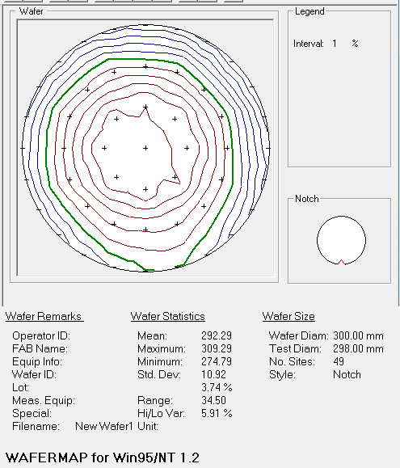
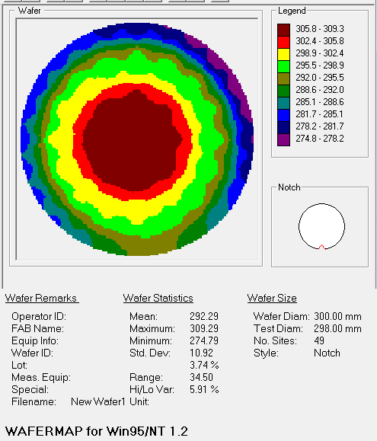
line | 좌표 | r | X | Y | Z Align | SigInt | Tilt X | Tilt Y | Hardware OK | MSE | Roughness | Thickness # 1 | Composition | Angle Offset | n of SiGe (Comp Library) @ 950.0 nm | Ge %
all | all | 0 | 0 | 0 | 0.52668524 | 27.497192 | -0.0076731546 | 0.009719329 | 1 | 6.0448036 | 14.257399 | 309.22485 | 0.8218114 | 0.1646606 | 3.721712 | 17.81886
a4 | y | 5 | -1.00E-05 | 4.94 | 0.53451926 | 28.085636 | -0.0076731546 | 0.009719329 | 1 | 6.1621213 | 14.233926 | 307.09848 | 0.82379854 | 0.16888729 | 3.7204933 | 17.620146
b4 | -45 | 5 | -3.4931197 | 3.4930902 | 0.50517994 | 28.620752 | -0.0076731546 | 0.009719329 | 1 | 6.1161146 | 14.30995 | 308.19754 | 0.8226854 | 0.17632152 | 3.7211769 | 17.73146
c4 | x | 5 | -4.94 | -1.00E-05 | 0.49154657 | 28.752554 | -0.0076731546 | 0.009719329 | 1 | 6.1093855 | 14.461791 | 309.1889 | 0.8223435 | 0.17887272 | 3.721386 | 17.76565
d4 | 45 | 5 | -3.4930902 | -3.4931197 | 0.49840775 | 28.443724 | -0.0076731546 | 0.009719329 | 1 | 6.099123 | 14.467678 | 309.29184 | 0.8223743 | 0.17192672 | 3.7213671 | 17.76257
a2 | y | 5 | 1.00E-05 | -4.94 | 0.5168099 | 27.451506 | -0.0076731546 | 0.009719329 | 1 | 6.1004305 | 14.384172 | 308.55908 | 0.824007 | 0.158864 | 3.7203646 | 17.5993
b2 | -45 | 5 | 3.4931197 | -3.4930902 | 0.5129895 | 26.46102 | -0.0076731546 | 0.009719329 | 1 | 6.0519533 | 14.255492 | 307.474 | 0.82321656 | 0.16218719 | 3.7208517 | 17.678344
c2 | x | 5 | 4.94 | 1.00E-05 | 0.5362615 | 25.882835 | -0.0076731546 | 0.009719329 | 1 | 6.0371294 | 14.294712 | 306.08832 | 0.82439613 | 0.15138543 | 3.720123 | 17.560387
d2 | 45 | 5 | 3.4930902 | 3.4931197 | 0.5422979 | 26.642975 | -0.0076731546 | 0.009719329 | 1 | 6.104319 | 14.309549 | 306.15283 | 0.82401705 | 0.15940493 | 3.7203581 | 17.598295
a5 | y | 10 | -3.00E-05 | 9.88 | 0.54149145 | 28.141228 | -0.0076731546 | 0.009719329 | 1 | 6.1071963 | 13.8551445 | 297.23508 | 0.8286544 | 0.1680812 | 3.7174907 | 17.13456
 |  | 10 | -3.78095 | 9.12792 | 0.5440734 | 27.698542 | -0.0076731546 | 0.009719329 | 1 | 6.052996 | 14.073662 | 297.9589 | 0.8283512 | 0.15834081 | 3.7176764 | 17.16488
b5 | -45 | 10 | -6.9862394 | 6.98619 | 0.47859696 | 28.616322 | -0.0076731546 | 0.009719329 | 1 | 6.0547996 | 14.254994 | 298.9847 | 0.82807595 | 0.18843885 | 3.7178442 | 17.192405
 |  | 10 | -9.127951 | 3.78088 | 0.51491404 | 28.488949 | -0.0076731546 | 0.009719329 | 1 | 6.012843 | 14.388563 | 299.77924 | 0.828299 | 0.16084942 | 3.717708 | 17.1701
c5 | x | 10 | -9.88 | -4.00E-05 | 0.4716135 | 28.837807 | -0.0076731546 | 0.009719329 | 1 | 5.992312 | 14.66835 | 300.4298 | 0.82750756 | 0.17955768 | 3.7181895 | 17.249244
 |  | 10 | -9.12792 | -3.78095 | 0.44522488 | 28.849337 | -0.0076731546 | 0.009719329 | 1 | 5.9574656 | 14.705682 | 300.26706 | 0.82788604 | 0.19085547 | 3.71796 | 17.211396
d5 | 45 | 10 | -6.98619 | -6.9862394 | 0.4896753 | 28.583185 | -0.0076731546 | 0.009719329 | 1 | 5.857376 | 14.581206 | 299.55972 | 0.8275666 | 0.16383202 | 3.7181537 | 17.24334
 |  | 10 | -3.78088 | -9.127951 | 0.491147 | 28.550901 | -0.0076731546 | 0.009719329 | 1 | 5.8485518 | 14.371473 | 299.34784 | 0.82751256 | 0.16067311 | 3.7181864 | 17.248744
a1 | y | 10 | 4.00E-05 | -9.88 | 0.515271 | 27.247898 | -0.0076731546 | 0.009719329 | 1 | 5.919037 | 14.156418 | 299.2976 | 0.82828057 | 0.1535751 | 3.7177196 | 17.171943
 |  | 10 | 3.78095 | -9.12792 | 0.5199497 | 25.287119 | -0.0076731546 | 0.009719329 | 1 | 5.9808636 | 14.00758 | 298.7313 | 0.82862824 | 0.14815024 | 3.717507 | 17.137176
b1 | -45 | 10 | 6.9862504 | -6.98619 | 0.52369314 | 23.926287 | -0.0076731546 | 0.009719329 | 1 | 5.9116845 | 13.900938 | 298.15833 | 0.8289551 | 0.14487892 | 3.7173061 | 17.10449
 |  | 10 | 9.127951 | -3.78088 | 0.5281977 | 22.842863 | -0.0076731546 | 0.009719329 | 1 | 5.8868136 | 13.990213 | 296.89554 | 0.82926404 | 0.14384343 | 3.7171156 | 17.073596
c1 | x | 10 | 9.88 | 4.00E-05 | 0.5331351 | 24.255444 | -0.0076731546 | 0.009719329 | 1 | 5.8395004 | 14.182237 | 296.50104 | 0.82913834 | 0.14390102 | 3.7171931 | 17.086166
 |  | 10 | 9.12792 | 3.78095 | 0.54278344 | 24.650759 | -0.0076731546 | 0.009719329 | 1 | 5.8925176 | 14.129861 | 296.22418 | 0.8284322 | 0.14592484 | 3.7176268 | 17.15678
d1 | 45 | 10 | 6.9861803 | 6.9862504 | 0.5677091 | 24.01976 | -0.0076731546 | 0.009719329 | 1 | 5.958444 | 14.085887 | 296.22037 | 0.82913345 | 0.14529821 | 3.7171962 | 17.086655
 |  | 10 | 3.78088 | 9.127951 | 0.55711466 | 27.100965 | -0.0076731546 | 0.009719329 | 1 | 5.9627957 | 14.053496 | 296.67252 | 0.8285839 | 0.15953779 | 3.7175338 | 17.14161
a6 | y | 15 | -6.00E-05 | 14.82 | 0.55407846 | 28.321661 | -0.0076731546 | 0.009719329 | 1 | 5.449596 | 13.054264 | 278.53656 | 0.8355281 | 0.18601614 | 3.7131667 | 16.44719
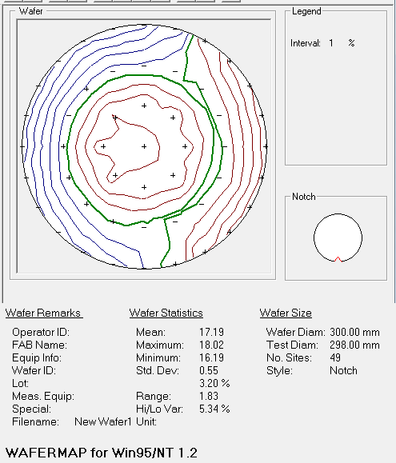
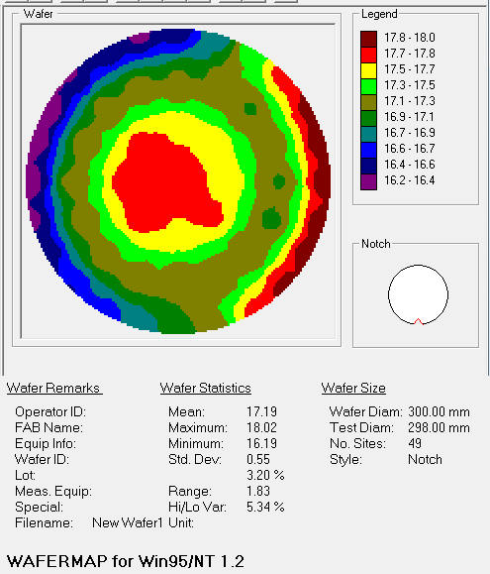
 |  | 15 | -3.83576 | 14.31501 | 0.54174787 | 28.578087 | -0.0076731546 | 0.009719329 | 1 | 5.659039 | 13.2088785 | 279.10498 | 0.8368284 | 0.18828438 | 3.7123413 | 16.31716
 |  | 15 | -7.4100404 | 12.83448 | 0.50977796 | 28.711016 | -0.0076731546 | 0.009719329 | 1 | 5.533555 | 14.137923 | 282.1225 | 0.83593804 | 0.19147374 | 3.7129076 | 16.406196
b6 | -45 | 15 | -10.479361 | 10.47928 | 0.47963914 | 28.57433 | -0.0076731546 | 0.009719329 | 1 | 5.585576 | 14.604736 | 281.6493 | 0.8364929 | 0.19664599 | 3.7125552 | 16.35071
 |  | 15 | -12.83452 | 7.4099603 | 0.49248016 | 28.239681 | -0.0076731546 | 0.009719329 | 1 | 5.5732923 | 14.633533 | 282.48898 | 0.8381194 | 0.17948616 | 3.7115104 | 16.18806
 |  | 15 | -14.315041 | 3.83564 | 0.47749394 | 27.55723 | -0.0076731546 | 0.009719329 | 1 | 5.6791577 | 14.5927105 | 282.97574 | 0.8378597 | 0.18224896 | 3.7116785 | 16.21403
c6 | x | 15 | -14.82 | -6.00E-05 | 0.46856534 | 26.554602 | -0.0076731546 | 0.009719329 | 1 | 5.6444283 | 14.55897 | 283.48993 | 0.83785456 | 0.18117818 | 3.7116818 | 16.214544
 |  | 15 | -14.31501 | -3.83576 | 0.46065423 | 25.37188 | -0.0076731546 | 0.009719329 | 1 | 5.3760962 | 15.129451 | 284.18582 | 0.83671117 | 0.1796178 | 3.7124162 | 16.328883
 |  | 15 | -12.83446 | -7.4100404 | 0.44398016 | 24.463995 | -0.0076731546 | 0.009719329 | 1 | 5.2160087 | 14.490012 | 283.965 | 0.8355447 | 0.18928958 | 3.7131562 | 16.44553
d6 | 45 | 15 | -10.47928 | -10.47937 | 0.4423024 | 23.735529 | -0.0076731546 | 0.009719329 | 1 | 5.1269536 | 14.623178 | 284.5053 | 0.8345491 | 0.18519874 | 3.7137864 | 16.54509
 |  | 15 | -7.4099402 | -12.83452 | 0.45309293 | 23.326963 | -0.0076731546 | 0.009719329 | 1 | 5.010273 | 14.61176 | 286.86517 | 0.8335435 | 0.18217203 | 3.7144322 | 16.64565
 |  | 15 | -3.83564 | -14.315041 | 0.48142353 | 23.216133 | -0.0076731546 | 0.009719329 | 1 | 5.0050683 | 14.378727 | 289.09213 | 0.8326388 | 0.17483534 | 3.7150075 | 16.73612
a0 | y | 15 | 6.00E-05 | -14.82 | 0.550371 | 21.474237 | -0.0076731546 | 0.009719329 | 1 | 5.0652556 | 14.054733 | 292.19983 | 0.8297298 | 0.16358621 | 3.7168274 | 17.02702
 |  | 15 | 3.83576 | -14.31501 | 0.57147187 | 18.155293 | -0.0076731546 | 0.009719329 | 1 | 5.0817394 | 13.185488 | 292.19043 | 0.82761014 | 0.15664285 | 3.7181273 | 17.238986
 |  | 15 | 7.41006 | -12.83446 | 0.6066089 | 15.127359 | -0.0076731546 | 0.009719329 | 1 | 4.8710246 | 13.259172 | 289.23627 | 0.82274 | 0.14149211 | 3.7211435 | 17.726
b0 | -45 | 15 | 10.47937 | -10.47928 | 0.6116724 | 14.13966 | -0.0076731546 | 0.009719329 | 1 | 4.844889 | 13.821876 | 285.46982 | 0.82076937 | 0.12867694 | 3.722345 | 17.923063
 |  | 15 | 12.834531 | -7.4099402 | 0.6034793 | 13.154226 | -0.0076731546 | 0.009719329 | 1 | 4.709165 | 13.808017 | 282.41846 | 0.82017916 | 0.12475236 | 3.7227 | 17.982084
 |  | 15 | 14.315041 | -3.83564 | 0.6030654 | 13.190776 | -0.0076731546 | 0.009719329 | 1 | 4.5853353 | 14.253597 | 279.54077 | 0.8204734 | 0.11785172 | 3.7225235 | 17.95266
c0 | x | notch | 14.82 | 6.00E-05 | N/A | N/A | N/A | N/A | 0 | N/A | N/A | 278 | N/A | N/A | N/A | 18
 |  | 15 | 14.31501 | 3.83576 | 0.6331873 | 15.379545 | -0.0076731546 | 0.009719329 | 1 | 4.654709 | 13.822428 | 276.07477 | 0.8198397 | 0.12446043 | 3.7229033 | 18.01603
 |  | 15 | 12.83446 | 7.41006 | 0.64277065 | 17.169909 | -0.0076731546 | 0.009719329 | 1 | 4.644546 | 13.865757 | 274.7902 | 0.8209325 | 0.13284975 | 3.7222464 | 17.90675
d0 | 45 | 15 | 10.47928 | 10.47937 | 0.63923407 | 19.94864 | -0.0076731546 | 0.009719329 | 1 | 4.6347485 | 13.961278 | 275.0344 | 0.8223809 | 0.13775246 | 3.721363 | 17.76191
 |  | 15 | 7.4099402 | 12.834531 | 0.61158085 | 23.520473 | -0.0076731546 | 0.009719329 | 1 | 4.8379354 | 13.568067 | 276.72253 | 0.82587606 | 0.15671135 | 3.7191963 | 17.412394
 |  | 15 | 3.83564 | 14.315041 | 0.579806 | 27.17252 | -0.0076731546 | 0.009719329 | 1 | 5.0996323 | 13.476875 | 278.1169 | 0.8321797 | 0.17267425 | 3.7152975 | 16.78203
 |  |  |  |  |  |  |  |  |  |  |  | 292.2921398 |  |  |  | 17.189309939

 |  | line | X | Y | Thickness # 1 | Ge% |  |  | line | X | Y | Thickness # 1 | Ge%
 |  | a0 | 6.00E-05 | -14.82 | 292.19983 | 17.02702 |  |  | b0 | 10.47937 | -10.47928 | 285.46982 | 17.923063
 |  | a1 | 4.00E-05 | -9.88 | 299.2976 | 17.171943 |  |  | b1 | 6.9862504 | -6.98619 | 298.15833 | 17.10449
 |  | a2 | 1.00E-05 | -4.94 | 308.55908 | 17.5993 |  |  | b2 | 3.4931197 | -3.4930902 | 307.474 | 17.678344
 |  | all | 0 | 0 | 309.22485 | 17.81886 |  |  | all | 0 | 0 | 309.22485 | 17.81886
 |  | a4 | -1.00E-05 | 4.94 | 307.09848 | 17.620146 |  |  | b4 | -3.4931197 | 3.4930902 | 308.19754 | 17.73146
 |  | a5 | -3.00E-05 | 9.88 | 297.23508 | 17.13456 |  |  | b5 | -6.9862394 | 6.98619 | 298.9847 | 17.192405
 |  | a6 | -6.00E-05 | 14.82 | 278.53656 | 16.44719 |  |  | b6 | -10.479361 | 10.47928 | 281.6493 | 16.35071

 |  | line | X | Y | Thickness # 1 | Ge% |  |  | line | X | Y | Thickness # 1 | Ge%
 |  | c0 | 14.82 | 6.00E-05 | 278 | 18 |  |  | d0 | 10.47928 | 10.47937 | 275.0344 | 17.76191
 |  | c1 | 9.88 | 4.00E-05 | 296.50104 | 17.086166 |  |  | d1 | 6.9861803 | 6.9862504 | 296.22037 | 17.086655
 |  | c2 | 4.94 | 1.00E-05 | 306.08832 | 17.560387 |  |  | d2 | 3.4930902 | 3.4931197 | 306.15283 | 17.598295
 |  | all | 0 | 0 | 309.22485 | 17.81886 |  |  | all | 0 | 0 | 309.22485 | 17.81886
 |  | c4 | -4.94 | -1.00E-05 | 309.1889 | 17.76565 |  |  | d4 | -3.4930902 | -3.4931197 | 309.29184 | 17.76257
 |  | c5 | -9.88 | -4.00E-05 | 300.4298 | 17.249244 |  |  | d5 | -6.98619 | -6.9862394 | 299.55972 | 17.24334
 |  | c6 | -14.82 | -6.00E-05 | 283.48993 | 16.214544 |  |  | d6 | -10.47928 | -10.47937 | 284.5053 | 16.54509

#4
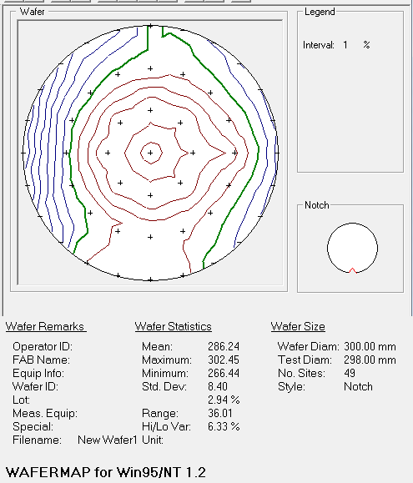
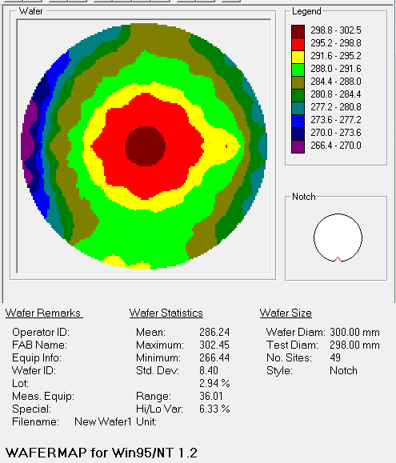
line | 좌표 | r | X | Y | Z Align | SigInt | Tilt X | Tilt Y | Hardware OK | MSE | Roughness | Thickness # 1 | Composition | Angle Offset | n of SiGe (Comp Library) @ 950.0 nm | Ge %
all | all | 0 | 0 | 0 | 0.5281013 | 27.563189 | -0.0063942955 | 0.0109981885 | 1 | 6.4503655 | 15.420519 | 302.45 | 0.81114 | 0.21151724 | 3.7374465 | 18.886
a4 | y | 5 | -1.00E-05 | 4.94 | 0.5397503 | 28.005367 | -0.0063942955 | 0.0109981885 | 1 | 6.536788 | 15.7669935 | 296.97702 | 0.8130042 | 0.13709441 | 3.7271268 | 18.69958
b4 | -45 | 5 | -3.4931197 | 3.4930902 | 0.5073968 | 28.656939 | -0.0063942955 | 0.0109981885 | 1 | 6.565408 | 15.852929 | 295.9699 | 0.8139442 | 0.13938163 | 3.7265522 | 18.60558
c4 | x | 5 | -4.94 | -1.00E-05 | 0.4946915 | 28.812624 | -0.0063942955 | 0.0109981885 | 1 | 6.565742 | 15.918077 | 296.5459 | 0.8146883 | 0.13850068 | 3.726094 | 18.53117
d4 | 45 | 5 | -3.4930902 | -3.4931197 | 0.50240904 | 28.454527 | -0.0063942955 | 0.0109981885 | 1 | 6.4825506 | 16.074371 | 296.2831 | 0.8143781 | 0.12918992 | 3.726285 | 18.56219
a2 | y | 5 | 1.00E-05 | -4.94 | 0.5202689 | 27.46709 | -0.0063942955 | 0.0109981885 | 1 | 6.351586 | 16.109854 | 296.71304 | 0.81311285 | 0.12493359 | 3.7270608 | 18.688715
b2 | -45 | 5 | 3.4931197 | -3.4930902 | 0.51751083 | 26.503004 | -0.0063942955 | 0.0109981885 | 1 | 6.3078837 | 16.133688 | 297.09186 | 0.8117318 | 0.12786806 | 3.7278953 | 18.82682
c2 | x | 5 | 4.94 | 1.00E-05 | 0.5387142 | 26.021023 | -0.0063942955 | 0.0109981885 | 1 | 6.306116 | 15.97938 | 297.16895 | 0.81196344 | 0.12536268 | 3.7277563 | 18.803656
d2 | 45 | 5 | 3.4930902 | 3.4931197 | 0.54447705 | 26.721333 | -0.0063942955 | 0.0109981885 | 1 | 6.357265 | 15.860458 | 297.15405 | 0.812321 | 0.12840196 | 3.7275407 | 18.7679
a5 | y | 10 | -3.00E-05 | 9.88 | 0.5617128 | 27.897726 | -0.0063942955 | 0.0109981885 | 1 | 6.1304674 | 15.295086 | 288.42548 | 0.8153294 | 0.14118679 | 3.7256975 | 18.46706
 |  | 10 | -3.78095 | 9.12792 | 0.5536695 | 28.205128 | -0.0063942955 | 0.0109981885 | 1 | 6.2219224 | 15.351646 | 287.8382 | 0.81554127 | 0.14206584 | 3.725566 | 18.445873
b5 | -45 | 10 | -6.9862394 | 6.98619 | 0.5076477 | 28.766838 | -0.0063942955 | 0.0109981885 | 1 | 6.3227267 | 15.400059 | 287.33255 | 0.8156926 | 0.15572445 | 3.7254715 | 18.43074
 |  | 10 | -9.127951 | 3.78088 | 0.5181083 | 28.549377 | -0.0063942955 | 0.0109981885 | 1 | 6.37767 | 15.484636 | 287.0548 | 0.816375 | 0.14461134 | 3.7250447 | 18.3625
c5 | x | 10 | -9.88 | -4.00E-05 | 0.49815136 | 28.673697 | -0.0063942955 | 0.0109981885 | 1 | 6.416902 | 15.590999 | 287.4279 | 0.81656533 | 0.15113463 | 3.7249253 | 18.343467
 |  | 10 | -9.12792 | -3.78095 | 0.5016074 | 28.77441 | -0.0063942955 | 0.0109981885 | 1 | 6.334825 | 15.806555 | 287.52866 | 0.81615406 | 0.15142947 | 3.7251832 | 18.384594
d5 | 45 | 10 | -6.98619 | -6.9862394 | 0.51641524 | 27.635836 | -0.0063942955 | 0.0109981885 | 1 | 6.1195035 | 15.941987 | 287.82584 | 0.8155197 | 0.13576384 | 3.7255793 | 18.44803
 |  | 10 | -3.78088 | -9.127951 | 0.5051182 | 28.557543 | -0.0063942955 | 0.0109981885 | 1 | 5.9792757 | 15.88825 | 288.39606 | 0.81467706 | 0.13419873 | 3.726101 | 18.532294
a1 | y | 10 | 4.00E-05 | -9.88 | 0.52311885 | 27.721233 | -0.0063942955 | 0.0109981885 | 1 | 5.8517466 | 16.01964 | 289.12512 | 0.8131131 | 0.13123216 | 3.7270606 | 18.68869
 |  | 10 | 3.78095 | -9.12792 | 0.5146554 | 27.493216 | -0.0063942955 | 0.0109981885 | 1 | 5.7627044 | 16.020817 | 289.56384 | 0.81173444 | 0.12835917 | 3.7278936 | 18.826556
b1 | -45 | 10 | 6.9862504 | -6.98619 | 0.45999998 | 28.948296 | -0.0063942955 | 0.0109981885 | 1 | 5.699659 | 15.950059 | 289.41696 | 0.81048197 | 0.14340487 | 3.7286391 | 18.951803
 |  | 10 | 9.127951 | -3.78088 | 0.38578352 | 25.019 | -0.0063942955 | 0.0109981885 | 1 | 5.6397424 | 15.759085 | 289.28653 | 0.8098434 | 0.18423207 | 3.7290268 | 19.01566
c1 | x | 10 | 9.88 | 4.00E-05 | 0.35810915 | 19.15904 | -0.0063942955 | 0.0109981885 | 1 | 5.6791277 | 14.76879 | 295.30127 | 0.792188 | 0.2949254 | 3.7399187 | 20.7812
 |  | 10 | 9.12792 | 3.78095 | 0.42539865 | 26.856928 | -0.0063942955 | 0.0109981885 | 1 | 5.755497 | 15.384679 | 289.54562 | 0.81038815 | 0.19025047 | 3.7286944 | 18.961185
d1 | 45 | 10 | 6.9861803 | 6.9862504 | 0.52466094 | 27.347395 | -0.0063942955 | 0.0109981885 | 1 | 5.8128095 | 15.319045 | 289.62384 | 0.8114059 | 0.13791902 | 3.7280903 | 18.85941
 |  | 10 | 3.78088 | 9.127951 | 0.5706776 | 26.523125 | -0.0063942955 | 0.0109981885 | 1 | 5.943888 | 15.330833 | 288.815 | 0.81439894 | 0.12826705 | 3.726272 | 18.560106
a6 | y | 15 | -6.00E-05 | 14.82 | 0.5669452 | 28.484877 | -0.0063942955 | 0.0109981885 | 1 | 5.7118115 | 14.084969 | 286.95718 | 0.78939277 | 0.27804455 | 3.7417285 | 21.060723
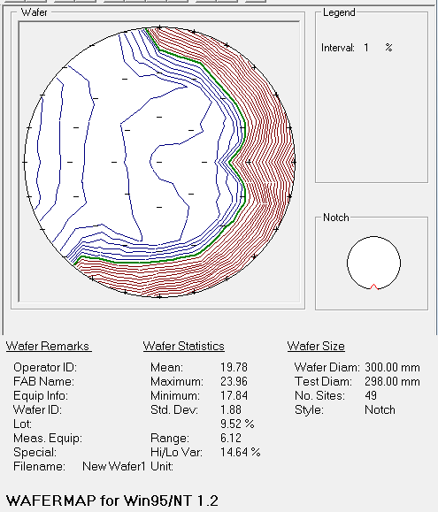
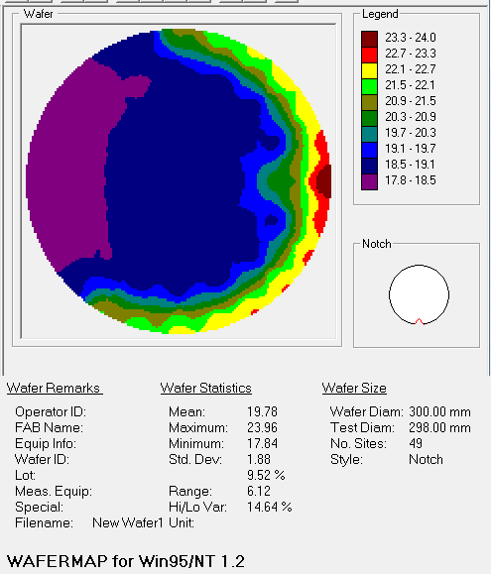
 |  | 15 | -3.83576 | 14.31501 | 0.5359925 | 28.811958 | -0.0063942955 | 0.0109981885 | 1 | 5.741532 | 14.990338 | 279.0805 | 0.8147737 | 0.15927958 | 3.7260413 | 18.52263
 |  | 15 | -7.4100404 | 12.83448 | 0.50724155 | 28.80672 | -0.0063942955 | 0.0109981885 | 1 | 5.706298 | 15.011152 | 278.37158 | 0.8152674 | 0.17216176 | 3.725736 | 18.47326
b6 | -45 | 15 | -10.479361 | 10.47928 | 0.46966287 | 28.541756 | -0.0063942955 | 0.0109981885 | 1 | 5.7215734 | 14.668805 | 275.5569 | 0.8161802 | 0.19545437 | 3.725167 | 18.38198
 |  | 15 | -12.83452 | 7.4099603 | 0.4710272 | 28.084343 | -0.0063942955 | 0.0109981885 | 1 | 5.863938 | 14.826855 | 270.53143 | 0.8204727 | 0.20112164 | 3.722524 | 17.95273
 |  | 15 | -14.315041 | 3.83564 | 0.46249357 | 27.268726 | -0.0063942955 | 0.0109981885 | 1 | 5.9905653 | 14.21433 | 266.7277 | 0.821121 | 0.21756038 | 3.7221324 | 17.8879
c6 | x | 15 | -14.82 | -6.00E-05 | 0.4181709 | 26.355024 | -0.0063942955 | 0.0109981885 | 1 | 6.1021247 | 14.327139 | 266.4429 | 0.8215899 | 0.22354318 | 3.7218473 | 17.84101
 |  | 15 | -14.31501 | -3.83576 | 0.40505844 | 25.206985 | -0.0063942955 | 0.0109981885 | 1 | 5.9435015 | 15.029817 | 269.06564 | 0.8212774 | 0.21813184 | 3.7220376 | 17.87226
 |  | 15 | -12.83446 | -7.4100404 | 0.38293678 | 24.29601 | -0.0063942955 | 0.0109981885 | 1 | 5.6689596 | 16.060192 | 274.67743 | 0.8177565 | 0.20402326 | 3.7241716 | 18.22435
d6 | 45 | 15 | -10.47928 | -10.47937 | 0.4049514 | 23.385502 | -0.0063942955 | 0.0109981885 | 1 | 5.6189 | 16.637209 | 279.91275 | 0.8127212 | 0.16659158 | 3.7272987 | 18.72788
 |  | 15 | -7.4099402 | -12.83452 | 0.39034286 | 23.466862 | -0.0063942955 | 0.0109981885 | 1 | 5.3900867 | 15.412253 | 290.27432 | 0.7845124 | 0.3065793 | 3.74482 | 21.54876
 |  | 15 | -3.83564 | -14.315041 | 0.4378054 | 23.50283 | -0.0063942955 | 0.0109981885 | 1 | 5.2678614 | 15.227904 | 292.1507 | 0.7826471 | 0.3039702 | 3.7460208 | 21.73529
a0 | y | 15 | 6.00E-05 | -14.82 | 0.6123373 | 22.25529 | -0.0063942955 | 0.0109981885 | 1 | 4.919933 | 15.149274 | 291.93054 | 0.77657306 | 0.25299317 | 3.7498162 | 22.342694
 |  | 15 | 3.83576 | -14.31501 | 0.6457198 | 17.690971 | -0.0063942955 | 0.0109981885 | 1 | 4.757256 | 14.790184 | 289.51608 | 0.7744287 | 0.23625796 | 3.7511718 | 22.55713
 |  | 15 | 7.41006 | -12.83446 | 0.64588386 | 17.297031 | -0.0063942955 | 0.0109981885 | 1 | 4.5957036 | 14.851835 | 285.19183 | 0.77222437 | 0.23417868 | 3.7525337 | 22.777563
b0 | -45 | 15 | 10.47937 | -10.47928 | 0.6283012 | 19.689434 | -0.0063942955 | 0.0109981885 | 1 | 4.4590287 | 15.325097 | 282.27618 | 0.7722188 | 0.2387135 | 3.752537 | 22.77812
 |  | 15 | 12.834531 | -7.4099402 | 0.6134388 | 16.69083 | -0.0063942955 | 0.0109981885 | 1 | 4.3800654 | 15.048822 | 280.04785 | 0.7715889 | 0.27077818 | 3.7529204 | 22.84111
 |  | 15 | 14.315041 | -3.83564 | 0.516298 | 10.861713 | -0.0063942955 | 0.0109981885 | 1 | 4.4671726 | 14.136222 | 279.60065 | 0.76984876 | 0.2974182 | 3.7539656 | 23.015124
c0 | x | notch | 14.82 | 6.00E-05 | N/A | N/A | N/A | N/A | 0 | N/A | N/A | 279.7 | N/A | N/A | N/A | 23.96
 |  | 15 | 14.31501 | 3.83576 | 0.5142944 | 14.790175 | -0.0063942955 | 0.0109981885 | 1 | 4.6094966 | 12.973719 | 279.77182 | 0.7706796 | 0.3230041 | 3.753469 | 22.93204
 |  | 15 | 12.83446 | 7.41006 | 0.6150824 | 22.400843 | -0.0063942955 | 0.0109981885 | 1 | 4.7063174 | 13.021583 | 280.22794 | 0.773159 | 0.2919856 | 3.75196 | 22.6841
d0 | 45 | 15 | 10.47928 | 10.47937 | 0.6255434 | 24.148956 | -0.0063942955 | 0.0109981885 | 1 | 4.7251325 | 13.54118 | 280.3745 | 0.77458775 | 0.2600817 | 3.7510722 | 22.541225
 |  | 15 | 7.4099402 | 12.834531 | 0.6283288 | 23.43729 | -0.0063942955 | 0.0109981885 | 1 | 4.928336 | 13.469186 | 283.14566 | 0.7773648 | 0.25398284 | 3.7493105 | 22.26352
 |  | 15 | 3.83564 | 14.315041 | 0.59157187 | 27.043423 | -0.0063942955 | 0.0109981885 | 1 | 5.1927285 | 13.99185 | 285.4045 | 0.78157586 | 0.2635221 | 3.7467003 | 21.842414
 |  |  |  |  |  |  |  |  |  |  |  | 286.24077694 |  |  |  | 19.779481469

 |  | line | X | Y | Thickness # 1 | Ge% |  |  | line | X | Y | Thickness # 1 | Ge%
 |  | a0 | 6.00E-05 | -14.82 | 291.93054 | 22.342694 |  |  | b0 | 10.47937 | -10.47928 | 282.27618 | 22.77812
 |  | a1 | 4.00E-05 | -9.88 | 289.12512 | 18.68869 |  |  | b1 | 6.9862504 | -6.98619 | 289.41696 | 18.951803
 |  | a2 | 1.00E-05 | -4.94 | 296.71304 | 18.688715 |  |  | b2 | 3.4931197 | -3.4930902 | 297.09186 | 18.82682
 |  | all | 0 | 0 | 302.45 | 18.886 |  |  | all | 0 | 0 | 302.45 | 18.886
 |  | a4 | -1.00E-05 | 4.94 | 296.97702 | 18.69958 |  |  | b4 | -3.4931197 | 3.4930902 | 295.9699 | 18.60558
 |  | a5 | -3.00E-05 | 9.88 | 288.42548 | 18.46706 |  |  | b5 | -6.9862394 | 6.98619 | 287.33255 | 18.43074
 |  | a6 | -6.00E-05 | 14.82 | 286.95718 | 21.060723 |  |  | b6 | -10.479361 | 10.47928 | 275.5569 | 18.38198

 |  | line | X | Y | Thickness # 1 | Ge% |  |  | line | X | Y | Thickness # 1 | Ge%
 |  | c0 | 14.82 | 6.00E-05 | 279.7 | 23.96 |  |  | d0 | 10.47928 | 10.47937 | 280.3745 | 22.541225
 |  | c1 | 9.88 | 4.00E-05 | 295.30127 | 20.7812 |  |  | d1 | 6.9861803 | 6.9862504 | 289.62384 | 18.85941
 |  | c2 | 4.94 | 1.00E-05 | 297.16895 | 18.803656 |  |  | d2 | 3.4930902 | 3.4931197 | 297.15405 | 18.7679
 |  | all | 0 | 0 | 302.45 | 18.886 |  |  | all | 0 | 0 | 302.45 | 18.886
 |  | c4 | -4.94 | -1.00E-05 | 296.5459 | 18.53117 |  |  | d4 | -3.4930902 | -3.4931197 | 296.2831 | 18.56219
 |  | c5 | -9.88 | -4.00E-05 | 287.4279 | 18.343467 |  |  | d5 | -6.98619 | -6.9862394 | 287.82584 | 18.44803
 |  | c6 | -14.82 | -6.00E-05 | 266.4429 | 17.84101 |  |  | d6 | -10.47928 | -10.47937 | 279.91275 | 18.72788

 |  | line | X | Y | Thickness # 1 | Ge% |  |  | line | X | Y | Thickness # 1 | Ge% |  | line | Thickness # 1 | Ge% | line | Thickness # 1 | Ge%
 |  | a0 | 6.00E-05 | -14.82 | 292.19983 | 17.02702 |  |  | b0 | 10.47937 | -10.47928 | 285.46982 | 17.923063 |  | a0 | 0.26929 | -5.315674 | b0 | 3.19364 | -4.855057
 |  | a1 | 4.00E-05 | -9.88 | 299.2976 | 17.171943 |  |  | b1 | 6.9862504 | -6.98619 | 298.15833 | 17.10449 |  | a1 | 10.17248 | -1.516747 | b1 | 8.74137 | -1.847313
 | x | a2 | 1.00E-05 | -4.94 | 308.55908 | 17.5993 |  |  | b2 | 3.4931197 | -3.4930902 | 307.474 | 17.678344 |  | a2 | 11.84604 | -1.089415 | b2 | 10.38214 | -1.148476
 |  | all | 0 | 0 | 309.22485 | 17.81886 |  |  | all | 0 | 0 | 309.22485 | 17.81886 |  | all | 6.77485 | -1.06714 | all | 6.77485 | -1.06714
 |  | a4 | -1.00E-05 | 4.94 | 307.09848 | 17.620146 |  |  | b4 | -3.4931197 | 3.4930902 | 308.19754 | 17.73146 |  | a4 | 10.12146 | -1.079434 | b4 | 12.22764 | -0.87412
 |  | a5 | -3.00E-05 | 9.88 | 297.23508 | 17.13456 |  |  | b5 | -6.9862394 | 6.98619 | 298.9847 | 17.192405 |  | a5 | 8.8096 | -1.3325 | b5 | 11.65215 | -1.238335
 |  | a6 | -6.00E-05 | 14.82 | 278.53656 | 16.44719 |  |  | b6 | -10.479361 | 10.47928 | 281.6493 | 16.35071 |  | a6 | -8.42062 | -4.613533 | b6 | 6.0924 | -2.03127

 |  | line | X | Y | Thickness # 1 | Ge% |  |  | line | X | Y | Thickness # 1 | Ge% |  | line | Thickness # 1 | Ge% | line | Thickness # 1 | Ge%
 |  | c0 | 14.82 | 6.00E-05 | 278 | 18 |  |  | d0 | 10.47928 | 10.47937 | 275.0344 | 17.76191 |  | c0 | -1.7 | -5.96 | ``````````` | -5.3401 | -4.779315
 |  | c1 | 9.88 | 4.00E-05 | 296.50104 | 17.086166 |  |  | d1 | 6.9861803 | 6.9862504 | 296.22037 | 17.086655 |  | c1 | 1.19977 | -3.695034 | d1 | 6.59653 | -1.772755
 |  | c2 | 4.94 | 1.00E-05 | 306.08832 | 17.560387 |  |  | d2 | 3.4930902 | 3.4931197 | 306.15283 | 17.598295 |  | c2 | 8.91937 | -1.243269 | d2 | 8.99878 | -1.169605
 | y | all | 0 | 0 | 309.22485 | 17.81886 |  |  | all | 0 | 0 | 309.22485 | 17.81886 |  | all | 6.77485 | -1.06714 | all | 6.77485 | -1.06714
 |  | c4 | -4.94 | -1.00E-05 | 309.1889 | 17.76565 |  |  | d4 | -3.4930902 | -3.4931197 | 309.29184 | 17.76257 |  | c4 | 12.643 | -0.76552 | d4 | 13.00874 | -0.79962
 |  | c5 | -9.88 | -4.00E-05 | 300.4298 | 17.249244 |  |  | d5 | -6.98619 | -6.9862394 | 299.55972 | 17.24334 |  | c5 | 13.0019 | -1.094223 | d5 | 11.73388 | -1.20469
 |  | c6 | -14.82 | -6.00E-05 | 283.48993 | 16.214544 |  |  | d6 | -10.47928 | -10.47937 | 284.5053 | 16.54509 |  | c6 | 17.04703 | -1.626466 | d6 | 4.59255 | -2.18279

#5
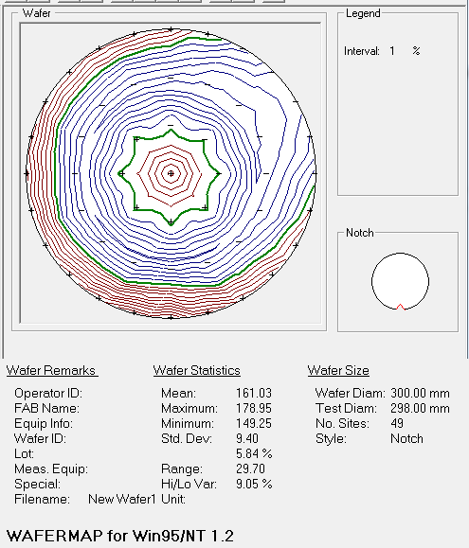
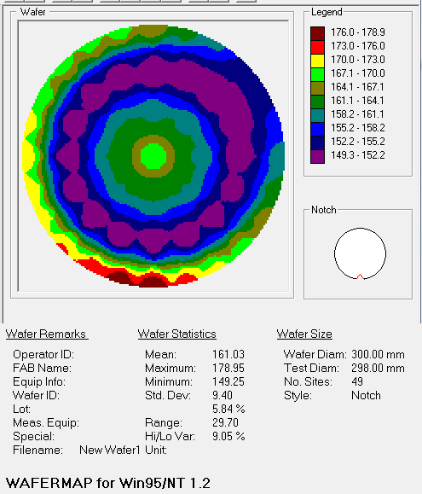
line | 좌표 | r | X (cm) | Y (cm) | MSE | Absolute MSE | Roughness (Å) | Thickness # 1 (Å) | Composition | Angle Offset | n of SiGe (Comp Library) @ 950.0 nm | Roughness (Å) Error | Thickness # 1 (Å) Error | Composition Error | Angle Offset Error | Ge %
all | all | 0 | 0 | 0 | 4.361 | 0 | 24.99 | 169.79 | 0.82823 | 0.175 | 3.71775 | 0.189 | 0.975 | 0.001382 | 0.009505 | 17.177
a4 | y | 5 | -1.00E-05 | 4.94 | 3.983 | 0 | 19.86 | 160.34 | 0.83171 | 0.134 | 3.7156 | 0.173 | 0.916 | 0.001314 | 0.008582 | 16.829
b4 | -45 | 5 | -3.49312 | 3.49309 | 3.967 | 0 | 19.94 | 161.13 | 0.83004 | 0.137 | 3.71663 | 0.173 | 0.912 | 0.001327 | 0.00855 | 16.996
c4 | x | 5 | -4.94 | -1.00E-05 | 3.958 | 0 | 18.76 | 161.23 | 0.82901 | 0.143 | 3.71727 | 0.171 | 0.902 | 0.001294 | 0.008524 | 17.099
d4 | 45 | 5 | -3.49309 | -3.49312 | 3.962 | 0 | 18.63 | 161.08 | 0.82973 | 0.135 | 3.71683 | 0.171 | 0.904 | 0.001274 | 0.008525 | 17.027
a2 | y | 5 | 1.00E-05 | -4.94 | 3.97 | 0 | 19.32 | 161.18 | 0.83082 | 0.131 | 3.71615 | 0.172 | 0.908 | 0.001288 | 0.008545 | 16.918
b2 | -45 | 5 | 3.49312 | -3.49309 | 3.918 | 0 | 19.85 | 161.09 | 0.83223 | 0.124 | 3.71527 | 0.17 | 0.9 | 0.001303 | 0.008467 | 16.777
c2 | x | 5 | 4.94 | 1.00E-05 | 3.958 | 0 | 20.11 | 160.8 | 0.8335 | 0.126 | 3.71446 | 0.172 | 0.923 | 0.001326 | 0.00854 | 16.65
d2 | 45 | 5 | 3.49309 | 3.49312 | 3.95 | 0 | 20.07 | 160.68 | 0.83326 | 0.125 | 3.71461 | 0.171 | 0.917 | 0.001304 | 0.008514 | 16.674
a5 | y | 10 | -3.00E-05 | 9.88 | 3.67 | 0 | 21.77 | 149.59 | 0.86021 | 0.111 | 3.6973 | 0.164 | 1 | 0.00122 | 0.007803 | 13.979
 |  | 10 | -3.78095 | 9.12792 | 3.661 | 0 | 21.85 | 149.9 | 0.8572 | 0.104 | 3.69924 | 0.162 | 0.966 | 0.001187 | 0.007799 | 14.28
b5 | -45 | 10 | -6.98624 | 6.98619 | 3.611 | 0 | 21.25 | 150.32 | 0.85536 | 0.125 | 3.70042 | 0.16 | 0.954 | 0.001194 | 0.007681 | 14.464
 |  | 10 | -9.12795 | 3.78088 | 3.632 | 0 | 20.1 | 150.46 | 0.85265 | 0.108 | 3.70215 | 0.161 | 0.948 | 0.001226 | 0.007743 | 14.735
c5 | x | 10 | -9.88 | -4.00E-05 | 3.637 | 0 | 19.75 | 150.93 | 0.85205 | 0.121 | 3.70253 | 0.16 | 0.942 | 0.001206 | 0.00774 | 14.795
 |  | 10 | -9.12792 | -3.78095 | 3.634 | 0 | 18.3 | 150.52 | 0.8531 | 0.134 | 3.70187 | 0.16 | 0.943 | 0.00122 | 0.007732 | 14.69
d5 | 45 | 10 | -6.98619 | -6.98624 | 3.623 | 0 | 17.85 | 150.2 | 0.85515 | 0.106 | 3.70055 | 0.159 | 0.95 | 0.001169 | 0.00771 | 14.485
 |  | 10 | -3.78088 | -9.12795 | 3.65 | 0 | 19.05 | 150.24 | 0.85713 | 0.103 | 3.69929 | 0.161 | 0.96 | 0.001189 | 0.007785 | 14.287
a1 | y | 10 | 4.00E-05 | -9.88 | 3.641 | 0 | 21.38 | 150.29 | 0.85951 | 0.0951 | 3.69774 | 0.162 | 0.987 | 0.001193 | 0.007751 | 14.049
 |  | 10 | 3.78095 | -9.12792 | 3.685 | 0 | 22.13 | 150.22 | 0.86035 | 0.0966 | 3.69721 | 0.164 | 1.004 | 0.001207 | 0.007838 | 13.965
b1 | -45 | 10 | 6.98625 | -6.98619 | 3.754 | 0 | 22.52 | 151.01 | 0.86159 | 0.105 | 3.6964 | 0.167 | 1.017 | 0.001201 | 0.008001 | 13.841
 |  | 10 | 9.12795 | -3.78088 | 3.838 | 0 | 23.26 | 151.14 | 0.86423 | 0.111 | 3.69466 | 0.17 | 1.059 | 0.001206 | 0.008156 | 13.577
c1 | x | 10 | 9.88 | 4.00E-05 | 3.894 | 0 | 23.62 | 150.5 | 0.86581 | 0.113 | 3.6936 | 0.174 | 1.084 | 0.001227 | 0.008279 | 13.419
 |  | 10 | 9.12792 | 3.78095 | 3.855 | 0 | 23.68 | 150.21 | 0.86591 | 0.115 | 3.69353 | 0.173 | 1.078 | 0.001242 | 0.008196 | 13.409
d1 | 45 | 10 | 6.98618 | 6.98625 | 3.83 | 0 | 23.15 | 149.93 | 0.86508 | 0.108 | 3.69409 | 0.171 | 1.054 | 0.001222 | 0.008153 | 13.492
 |  | 10 | 3.78088 | 9.12795 | 3.704 | 0 | 22.66 | 149.25 | 0.86224 | 0.104 | 3.69597 | 0.165 | 1.014 | 0.001181 | 0.007868 | 13.776
a6 | y | 15 | -6.00E-05 | 14.82 | 5.218 | 0 | 28.35 | 166.2 | 0.83961 | 0.251 | 3.71055 | 0.229 | 1.228 | 0.001692 | 0.0113 | 16.039
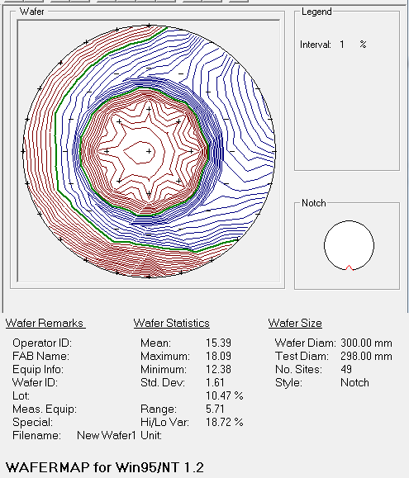
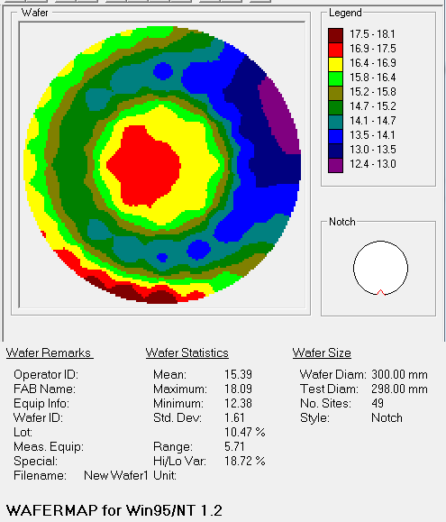
 |  | 15 | -3.83576 | 14.31501 | 4.891 | 0 | 27.19 | 168.6 | 0.83576 | 0.236 | 3.71302 | 0.213 | 1.127 | 0.00157 | 0.0106 | 16.424
 |  | 15 | -7.41004 | 12.83448 | 4.846 | 0 | 27.92 | 168.35 | 0.83503 | 0.24 | 3.71348 | 0.212 | 1.116 | 0.001597 | 0.0105 | 16.497
b6 | -45 | 15 | -10.47936 | 10.47928 | 4.695 | 0 | 26.48 | 168.7 | 0.83513 | 0.24 | 3.71342 | 0.205 | 1.08 | 0.001547 | 0.0102 | 16.487
 |  | 15 | -12.83452 | 7.40996 | 4.354 | 0 | 24.57 | 169.74 | 0.83523 | 0.22 | 3.71335 | 0.189 | 0.996 | 0.00138 | 0.00948 | 16.477
 |  | 15 | -14.31504 | 3.83564 | 4.328 | 0 | 23.34 | 171.76 | 0.83498 | 0.227 | 3.71351 | 0.187 | 0.986 | 0.001372 | 0.009462 | 16.502
c6 | x | 15 | -14.82 | -6.00E-05 | 4.369 | 0 | 23.54 | 172.68 | 0.83412 | 0.228 | 3.71406 | 0.188 | 0.996 | 0.001361 | 0.009534 | 16.588
 |  | 15 | -14.31501 | -3.83576 | 4.549 | 0 | 23.83 | 172.82 | 0.83324 | 0.231 | 3.71463 | 0.196 | 1.033 | 0.001442 | 0.009946 | 16.676
 |  | 15 | -12.83446 | -7.41004 | 4.638 | 0 | 23.73 | 172.48 | 0.83029 | 0.241 | 3.71648 | 0.2 | 1.04 | 0.001474 | 0.0101 | 16.971
d6 | 45 | 15 | -10.47928 | -10.47937 | 4.922 | 0 | 23.83 | 173.66 | 0.82682 | 0.264 | 3.7186 | 0.212 | 1.089 | 0.001581 | 0.0107 | 17.318
 |  | 15 | -7.40994 | -12.83452 | 5.061 | 0 | 24.52 | 176.05 | 0.82302 | 0.282 | 3.72097 | 0.217 | 1.104 | 0.001565 | 0.011 | 17.698
 |  | 15 | -3.83564 | -14.31504 | 5.216 | 0 | 25.23 | 178.95 | 0.81928 | 0.291 | 3.72324 | 0.223 | 1.123 | 0.001605 | 0.0114 | 18.072
a0 | y | 15 | 6.00E-05 | -14.82 | 5.742 | 0 | 26.71 | 178.91 | 0.81911 | 0.253 | 3.72334 | 0.248 | 1.24 | 0.001847 | 0.0126 | 18.089
 |  | 15 | 3.83576 | -14.31501 | 6.5 | 0 | 30.07 | 174.47 | 0.82921 | 0.295 | 3.71715 | 0.283 | 1.457 | 0.002041 | 0.0142 | 17.079
 |  | 15 | 7.41006 | -12.83446 | 7.007 | 0 | 31.94 | 171.1 | 0.83925 | 0.322 | 3.71078 | 0.308 | 1.629 | 0.002241 | 0.0153 | 16.075
b0 | -45 | 15 | 10.47937 | -10.47928 | 7.317 | 0 | 32.91 | 168.89 | 0.84603 | 0.342 | 3.70641 | 0.322 | 1.768 | 0.002262 | 0.0158 | 15.397
 |  | 15 | 12.83453 | -7.40994 | 7.72 | 0 | 35.75 | 165.82 | 0.85504 | 0.366 | 3.70062 | 0.344 | 1.959 | 0.00243 | 0.0166 | 14.496
 |  | 15 | 14.31504 | -3.83564 | 8.124 | 0 | 36.69 | 163.37 | 0.86059 | 0.387 | 3.69705 | 0.365 | 2.128 | 0.002536 | 0.0174 | 13.941
c0 | x | notch
 |  | 15 | 14.31501 | 3.84E+00 | 8.632 | 0 | 41.52 | 156.13 | 0.87616 | 0.407 | 3.68664 | 0.395 | 2.489 | 0.002666 | 0.0182 | 12.384
 |  | 15 | 12.83446 | 7.41006 | 8.288 | 0 | 41.28 | 154.1 | 0.87563 | 0.389 | 3.687 | 0.38 | 2.401 | 0.002576 | 0.0175 | 12.437
d0 | 45 | 15 | 10.47928 | 10.47937 | 7.841 | 0 | 39.85 | 154.51 | 0.87028 | 0.364 | 3.69061 | 0.358 | 2.212 | 0.002443 | 0.0166 | 12.972
 |  | 15 | 7.40994 | 12.83453 | 6.8 | 0 | 35.62 | 158.75 | 0.85943 | 0.316 | 3.6978 | 0.306 | 1.797 | 0.00216 | 0.0145 | 14.057
 |  | 15 | 3.83564 | 14.31504 | 5.891 | 0 | 30.81 | 162.33 | 0.84743 | 0.278 | 3.70551 | 0.261 | 1.442 | 0.001924 | 0.0127 | 15.257
 |  |  |  |  |  |  |  | 161.05 |  |  |  |  |  |  |  | 15.444229167

 |  | line | X | Y | Thickness # 1 | Ge% |  |  | line | X | Y | Thickness # 1 | Ge%
 |  | a0 | 6.00E-05 | -14.82 | 178.91 | 18.089 |  |  | b0 | 10.47937 | -10.47928 | 168.89 | 15.397
 |  | a1 | 4.00E-05 | -9.88 | 150.29 | 14.049 |  |  | b1 | 6.98625 | -6.98619 | 151.01 | 13.841
 |  | a2 | 1.00E-05 | -4.94 | 161.18 | 16.918 |  |  | b2 | 3.49312 | -3.49309 | 161.09 | 16.777
 |  | all | 0 | 0 | 169.79 | 17.177 |  |  | all | 0 | 0 | 169.79 | 17.177
 |  | a4 | -1.00E-05 | 4.94 | 160.34 | 16.829 |  |  | b4 | -3.49312 | 3.49309 | 161.13 | 16.996
 |  | a5 | -3.00E-05 | 9.88 | 149.59 | 13.979 |  |  | b5 | -6.98624 | 6.98619 | 150.32 | 14.464 |  |  |  |  |  |  |  |  |  | Thickness # 1 | Ge%
 |  | a6 | -6.00E-05 | 14.82 | 166.2 | 16.039 |  |  | b6 | -10.47936 | 10.47928 | 168.7 | 16.487 |  |  |  |  |  |  |  | #5 | c5 | 150.93 | 14.795
 |  |  |  |  |  |  |  |  |  |  |  |  |  |  |  |  |  |  |  |  | #1 |  | 350.41864 | 15.26799
 |  | line | X | Y | Thickness # 1 | Ge% |  |  | line | X | Y | Thickness # 1 | Ge% |  |  |  |  |  |  |  |  |  | 199.48864 | 0.47299
 |  | c0 | 0 | 0.00E+00 | 0 | 0 |  |  | d0 | 10.47928 | 10.47937 | 154.51 | 12.972
 |  | c1 | 9.88 | 4.00E-05 | 150.5 | 13.419 |  |  | d1 | 6.98618 | 6.98625 | 149.93 | 13.492 |  |  |  |  |  |  |  | #5 | b5 | 150.32 | 14.464
 |  | c2 | 4.94 | 1.00E-05 | 160.8 | 16.65 |  |  | d2 | 3.49309 | 3.49312 | 160.68 | 16.674 |  |  |  |  |  |  |  | #1 |  | 348.58844 | 15.356594
 |  | all | 0 | 0 | 169.79 | 17.177 |  |  | all | 0 | 0 | 169.79 | 17.177 |  |  |  |  |  |  |  |  |  | 198.26844 | 0.892594
 |  | c4 | -4.94 | -1.00E-05 | 161.23 | 17.099 |  |  | d4 | -3.49309 | -3.49312 | 161.08 | 17.027
 |  | c5 | -9.88 | -4.00E-05 | 150.93 | 14.795 |  |  | d5 | -6.98619 | -6.98624 | 150.2 | 14.485
 |  | c6 | -14.82 | -6.00E-05 | 172.68 | 16.588 |  |  | d6 | -10.47928 | -10.47937 | 173.66 | 17.318

 |  | line | X | Y | Thickness # 1 | Ge% |  |  | line | X | Y | Thickness # 1 | Ge% |  | line | Thickness # 1 | Ge% | line | Thickness # 1 | Ge%
 |  | a0 | 6.00E-05 | -14.82 | 341.02917 | 16.03383 |  |  | b0 | 10.47937 | -10.47928 | 327.15442 | 16.91947 |  | a0 | 162.11917 | -2.05517 | b0 | 158.26442 | 1.52247
 |  | a1 | 4.00E-05 | -9.88 | 345.5576 | 15.285903 |  |  | b1 | 6.9862504 | -6.98619 | 347.5208 | 15.71137 |  | a1 | 195.2676 | 1.236903 | b1 | 196.5108 | 1.87037
 | x | a2 | 1.00E-05 | -4.94 | 353.80667 | 15.743417 |  |  | b2 | 3.4931197 | -3.4930902 | 352.6973 | 15.76499 |  | a2 | 192.62667 | -1.174583 | b2 | 191.6073 | -1.01201
 |  | all | 0 | 0 | 355.46848 | 16.05296 |  | 45 | all | 0 | 0 | 355.46848 | 16.05296 |  | all | 185.67848 | -1.12404 | all | 185.67848 | -1.12404
 |  | a4 | -1.00E-05 | 4.94 | 354.51532 | 15.7832 |  |  | b4 | -3.4931197 | 3.4930902 | 355.9458 | 15.77543 |  | a4 | 194.17532 | -1.0458 | b4 | 194.8158 | -1.22057
 |  | a5 | -3.00E-05 | 9.88 | 348.0229 | 15.38542 |  |  | b5 | -6.9862394 | 6.98619 | 348.58844 | 15.356594 |  | a5 | 198.4329 | 1.40642 | b5 | 198.26844 | 0.892594
 |  | a6 | -6.00E-05 | 14.82 | 333.1133 | 15.235984 |  |  | b6 | -10.479361 | 10.47928 | 337.90506 | 14.68579 |  | a6 | 166.9133 | -0.803016 | b6 | 169.20506 | -1.80121

 |  | line | X | Y | Thickness # 1 | Ge% |  |  | line | X | Y | Thickness # 1 | Ge% |  | line | Thickness # 1 | Ge% | line | Thickness # 1 | Ge%
 |  | c0 | 14.82 | 6.00E-05 | 0 | 0 |  |  | ``````````` | 10.47928 | 10.47937 | 324.56335 | 16.38204 |  | c0 | 0 | 0 | ``````````` | 170.05335 | 3.41004
 |  | c1 | 9.88 | 4.00E-05 | 348.21918 | 15.821964 |  |  | d1 | 6.9861803 | 6.9862504 | 347.65103 | 15.71985 |  | c1 | 197.71918 | 2.402964 | d1 | 197.72103 | 2.22785
 |  | c2 | 4.94 | 1.00E-05 | 352.5096 | 15.77268 |  |  | d2 | 3.4930902 | 3.4931197 | 353.86407 | 15.791184 |  | c2 | 191.7096 | -0.87732 | d2 | 193.18407 | -0.882816
 | y | all | 0 | 0 | 355.46848 | 16.05296 |  | -45 | all | 0 | 0 | 355.46848 | 16.05296 |  | all | 185.67848 | -1.12404 | all | 185.67848 | -1.12404
 |  | c4 | -4.94 | -1.00E-05 | 356.32886 | 15.787536 |  |  | d4 | -3.4930902 | -3.4931197 | 355.2815 | 15.77066 |  | c4 | 195.09886 | -1.311464 | d4 | 194.2015 | -1.25634
 |  | c5 | -9.88 | -4.00E-05 | 350.41864 | 15.26799 |  |  | d5 | -6.98619 | -6.9862394 | 348.218 | 15.226203 |  | c5 | 199.48864 | 0.47299 | d5 | 198.018 | 0.741203
 |  | c6 | -14.82 | -6.00E-05 | 343.63168 | 14.38092 |  |  | d6 | -10.47928 | -10.47937 | 344.39572 | 15.17346 |  | c6 | 170.95168 | -2.20708 | d6 | 170.73572 | -2.14454

OLD#1
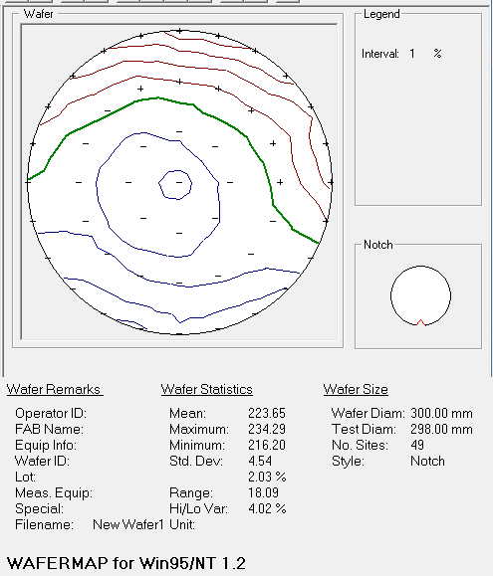
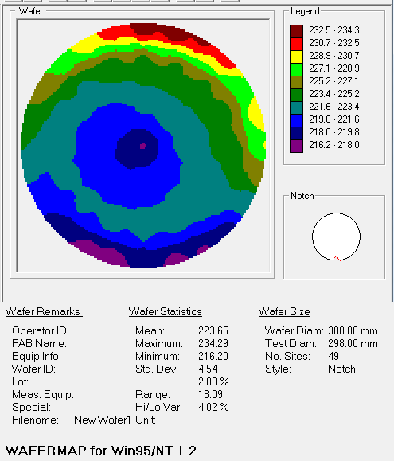
X (cm) | Y (cm) | MSE | Absolute MSE | Roughness (Å) | THK_3 | Composition | Angle Offset | n of SiGe (Comp Library) @ 950.0 nm | Roughness (Å) Error | Thickness # 1 (Å) Error | Composition Error | Angle Offset Error | Ge_3 | Ge THK
0 | 0 | 4.787 | 0 | 13.71 | 217.94 | 0.77108 | 0.28 | 3.75323 | 0.198 | 0.899 | 0.00094129 | 0.011 | 22.892
-1.00E-05 | 4.94 | 5.109 | 0 | 13.74 | 221.99 | 0.76909 | 0.292 | 3.75443 | 0.212 | 0.949 | 0.001016 | 0.0118 | 23.091
-3.49312 | 3.49309 | 5.059 | 0 | 13.78 | 220.8 | 0.7695 | 0.294 | 3.75417 | 0.21 | 0.942 | 0.0009775 | 0.0116 | 23.05
-4.94 | -1.00E-05 | 4.96 | 0 | 13.81 | 220.07 | 0.76988 | 0.298 | 3.75395 | 0.205 | 0.925 | 0.00094981 | 0.0114 | 23.012
-3.49309 | -3.49312 | 4.946 | 0 | 13.87 | 220.04 | 0.77005 | 0.288 | 3.75384 | 0.205 | 0.924 | 0.00095473 | 0.0114 | 22.995
1.00E-05 | -4.94 | 4.955 | 0 | 13.93 | 220.55 | 0.77021 | 0.284 | 3.75375 | 0.206 | 0.926 | 0.00097074 | 0.0114 | 22.979
3.49312 | -3.49309 | 5.008 | 0 | 13.97 | 221.51 | 0.76981 | 0.279 | 3.75399 | 0.208 | 0.934 | 0.00096085 | 0.0115 | 23.019
4.94 | 1.00E-05 | 5.097 | 0 | 13.9 | 222.01 | 0.76954 | 0.281 | 3.75415 | 0.211 | 0.949 | 0.001002 | 0.0118 | 23.046
3.49309 | 3.49312 | 5.149 | 0 | 13.84 | 222.52 | 0.76917 | 0.288 | 3.75438 | 0.213 | 0.957 | 0.001016 | 0.0119 | 23.083
-3.00E-05 | 9.88 | 5.245 | 0 | 13.76 | 224.73 | 0.77 | 0.3 | 3.75388 | 0.218 | 0.975 | 0.001019 | 0.0121 | 23
-3.78095 | 9.12792 | 5.177 | 0 | 13.83 | 223.87 | 0.76995 | 0.292 | 3.7539 | 0.215 | 0.963 | 0.001019 | 0.012 | 23.005
-6.98624 | 6.98619 | 5.12 | 0 | 13.73 | 223.28 | 0.77048 | 0.315 | 3.75359 | 0.212 | 0.953 | 0.00099465 | 0.0118 | 22.952
-9.12795 | 3.78088 | 5.018 | 0 | 13.75 | 222.18 | 0.77105 | 0.289 | 3.75325 | 0.208 | 0.938 | 0.00097498 | 0.0116 | 22.895
-9.88 | -4.00E-05 | 4.968 | 0 | 13.69 | 221.93 | 0.77128 | 0.303 | 3.75311 | 0.206 | 0.929 | 0.0009746 | 0.0115 | 22.872
-9.12792 | -3.78095 | 4.865 | 0 | 13.94 | 221.91 | 0.77157 | 0.313 | 3.75293 | 0.202 | 0.91 | 0.00094929 | 0.0112 | 22.843
-6.98619 | -6.98624 | 4.812 | 0 | 14.05 | 222.01 | 0.77155 | 0.287 | 3.75295 | 0.2 | 0.901 | 0.00093198 | 0.0111 | 22.845
-3.78088 | -9.12795 | 4.732 | 0 | 14.1 | 222.31 | 0.77168 | 0.279 | 3.75287 | 0.196 | 0.887 | 0.00092146 | 0.011 | 22.832
4.00E-05 | -9.88 | 4.669 | 0 | 14.3 | 222.36 | 0.77144 | 0.272 | 3.75301 | 0.194 | 0.874 | 0.00091525 | 0.0108 | 22.856
3.78095 | -9.12792 | 4.666 | 0 | 14.25 | 222.44 | 0.77161 | 0.262 | 3.75291 | 0.194 | 0.875 | 0.00091411 | 0.0108 | 22.839
6.98625 | -6.98619 | 4.704 | 0 | 14.13 | 222.98 | 0.77147 | 0.26 | 3.75299 | 0.195 | 0.881 | 0.00092188 | 0.0109 | 22.853
9.12795 | -3.78088 | 4.888 | 0 | 13.99 | 223.36 | 0.77129 | 0.266 | 3.7531 | 0.203 | 0.914 | 0.00097584 | 0.0114 | 22.871
9.88 | 4.00E-05 | 5.025 | 0 | 13.82 | 223.81 | 0.77121 | 0.269 | 3.75315 | 0.209 | 0.939 | 0.00098179 | 0.0117 | 22.879
9.12792 | 3.78095 | 5.205 | 0 | 13.78 | 224.16 | 0.77092 | 0.278 | 3.75332 | 0.216 | 0.971 | 0.001031 | 0.0121 | 22.908
6.98618 | 6.98625 | 5.266 | 0 | 13.74 | 224.69 | 0.77064 | 0.281 | 3.7535 | 0.219 | 0.981 | 0.001021 | 0.0122 | 22.936
3.78088 | 9.12795 | 5.293 | 0 | 13.79 | 224.94 | 0.77019 | 0.29 | 3.75376 | 0.22 | 0.984 | 0.00104 | 0.0123 | 22.981
-6.00E-05 | 14.82 | 5.019 | 0 | 13.56 | 233.93 | 0.77496 | 0.301 | 3.75084 | 0.209 | 0.946 | 0.001007 | 0.0119 | 22.504
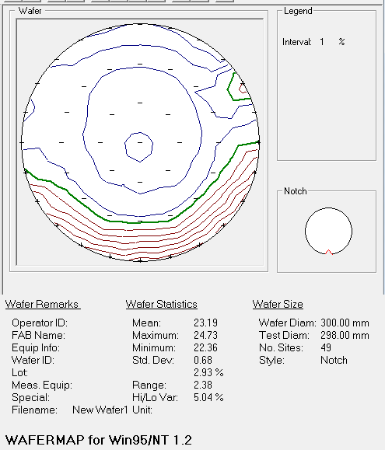
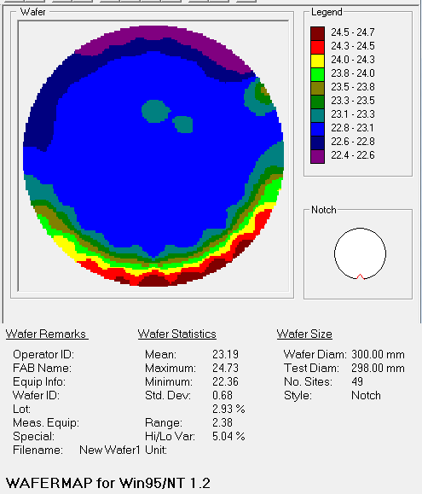
-3.83576 | 14.31501 | 4.94 | 0 | 13.54 | 231.77 | 0.77563 | 0.3 | 3.75042 | 0.206 | 0.934 | 0.00097307 | 0.0116 | 22.437 | Ge%
-7.41004 | 12.83448 | 4.822 | 0 | 13.63 | 230.57 | 0.77523 | 0.306 | 3.75067 | 0.2 | 0.91 | 0.00095343 | 0.0113 | 22.477
-10.47936 | 10.47928 | 4.533 | 0 | 13.53 | 228.43 | 0.77329 | 0.306 | 3.75188 | 0.188 | 0.85 | 0.00089981 | 0.0106 | 22.671
-12.83452 | 7.40996 | 4.35 | 0 | 13.68 | 226.87 | 0.77202 | 0.288 | 3.75266 | 0.181 | 0.813 | 0.00085923 | 0.0102 | 22.798
-14.31504 | 3.83564 | 4.397 | 0 | 13.59 | 225.19 | 0.77337 | 0.288 | 3.75183 | 0.182 | 0.826 | 0.00085018 | 0.0102 | 22.663
-14.82 | -6.00E-05 | 4.227 | 0 | 13.51 | 223.51 | 0.77163 | 0.281 | 3.7529 | 0.175 | 0.791 | 0.00083123 | 0.009806 | 22.837
-14.31501 | -3.83576 | 3.959 | 0 | 13.88 | 221.72 | 0.76758 | 0.267 | 3.75537 | 0.164 | 0.733 | 0.00078388 | 0.009157 | 23.242
-12.83446 | -7.41004 | 3.659 | 0 | 14.4 | 220.02 | 0.76169 | 0.25 | 3.75897 | 0.152 | 0.668 | 0.00073984 | 0.008433 | 23.831
-10.47928 | -10.47937 | 3.489 | 0 | 14.39 | 218.26 | 0.75796 | 0.237 | 3.7613 | 0.145 | 0.632 | 0.00070436 | 0.00802 | 24.204
-7.40994 | -12.83452 | 3.432 | 0 | 14.25 | 216.97 | 0.75609 | 0.235 | 3.76245 | 0.143 | 0.619 | 0.00069009 | 0.007872 | 24.391
-3.83564 | -14.31504 | 3.374 | 0 | 14.11 | 216.2 | 0.75458 | 0.22 | 3.76335 | 0.14 | 0.609 | 0.00069028 | 0.007722 | 24.542
6.00E-05 | -14.82 | 3.35 | 0 | 14.23 | 218.54 | 0.75266 | 0.223 | 3.7645 | 0.139 | 0.599 | 0.00068898 | 0.007701 | 24.734
3.83576 | -14.31501 | 3.348 | 0 | 14.1 | 217.41 | 0.75305 | 0.211 | 3.76426 | 0.139 | 0.6 | 0.00068165 | 0.007681 | 24.695
7.41006 | -12.83446 | 3.354 | 0 | 13.85 | 217.8 | 0.75347 | 0.205 | 3.76401 | 0.14 | 0.601 | 0.00067893 | 0.007701 | 24.653
10.47937 | -10.47928 | 3.402 | 0 | 13.97 | 219.08 | 0.75371 | 0.202 | 3.76387 | 0.142 | 0.609 | 0.00068407 | 0.007822 | 24.629
12.83453 | -7.40994 | 3.475 | 0 | 13.84 | 222.38 | 0.75544 | 0.201 | 3.76284 | 0.145 | 0.622 | 0.00071469 | 0.008062 | 24.456
14.31504 | -3.83564 | 3.74 | 0 | 13.79 | 225.73 | 0.75969 | 0.205 | 3.76022 | 0.156 | 0.675 | 0.00076398 | 0.008735 | 24.031
14.82 | 6.00E-05 | 4.186 | 0 | 13.59 | 228.95 | 0.76792 | 0.231 | 3.75516 | 0.174 | 0.773 | 0.00084872 | 0.00984 | 23.208
14.31501 | 3.83576 | 4.554 | 0 | 13.48 | 230.3 | 0.77168 | 0.233 | 3.75286 | 0.19 | 0.851 | 0.0009137 | 0.0107 | 22.832
12.83446 | 7.41006 | 4 | 0 | 13.4 | 228.39 | 0.76376 | 0.214 | 3.75773 | 0.167 | 0.729 | 0.00081226 | 0.009392 | 23.624
10.47928 | 10.47937 | 4.872 | 0 | 13.87 | 231.49 | 0.7759 | 0.243 | 3.75025 | 0.203 | 0.924 | 0.00097037 | 0.0115 | 22.41
7.40994 | 12.83453 | 4.933 | 0 | 13.66 | 232.82 | 0.77641 | 0.257 | 3.74992 | 0.206 | 0.937 | 0.00096637 | 0.0116 | 22.359
3.83564 | 14.31504 | 4.994 | 0 | 13.89 | 234.29 | 0.77554 | 0.278 | 3.75047 | 0.208 | 0.945 | 0.00098543 | 0.0118 | 22.446
 |  |  |  |  | 223.65326531 |  |  |  |  |  |  |  | 23.187918367

 |  | y |  |  |  |  |  | x
 | 6.00E-05 | -14.82 | 218.54 | 24.734 |  |  | -14.82 | -6.00E-05 | 223.51
 | 4.00E-05 | -9.88 | 222.36 | 22.856 |  |  | -9.88 | -4.00E-05 | 221.93
 | 1.00E-05 | -4.94 | 220.55 | 22.979 |  |  | -4.94 | -1.00E-05 | 220.07
 | 0 | 0 | 217.94 | 22.892 |  |  | 0 | 0 | 217.94
 | -1.00E-05 | 4.94 | 221.99 | 23.091 |  |  | 4.94 | 1.00E-05 | 222.01
 | -3.00E-05 | 9.88 | 224.73 | 23 |  |  | 9.88 | 4.00E-05 | 223.81
 | -6.00E-05 | 14.82 | 233.93 | 22.504 |  |  | 14.82 | 6.00E-05 | 228.95

 | x | y |  |  |  |  | x | y
 |  | -45 |  |  |  |  |  | 45
 | 10.47937 | -10.47928 | 219.08 |  |  |  | -10.47928 | -10.47937 | 218.26
 | 6.98625 | -6.98619 | 222.98 |  |  |  | -6.98619 | -6.98624 | 222.01
 | 3.49312 | -3.49309 | 221.51 |  |  |  | -3.49309 | -3.49312 | 220.04
 | 0 | 0 | 217.94 |  |  |  | 0 | 0 | 217.94
 | -3.49312 | 3.49309 | 220.8 |  |  |  | 3.49309 | 3.49312 | 222.52
 | -6.98624 | 6.98619 | 223.28 |  |  |  | 6.98618 | 6.98625 | 224.69
 | -10.47936 | 10.47928 | 228.43 |  |  |  | 10.47928 | 10.47937 | 231.49

OLD#2
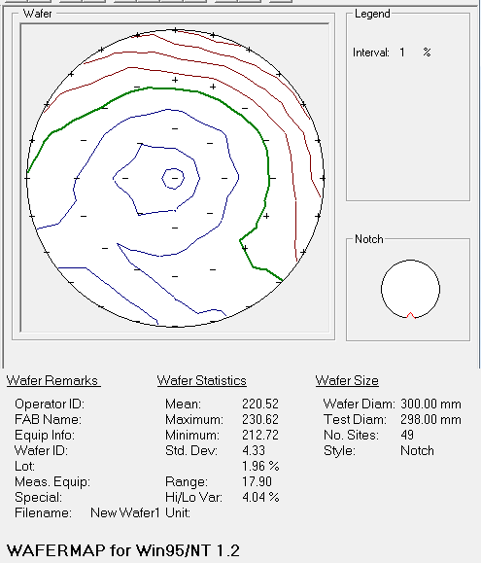
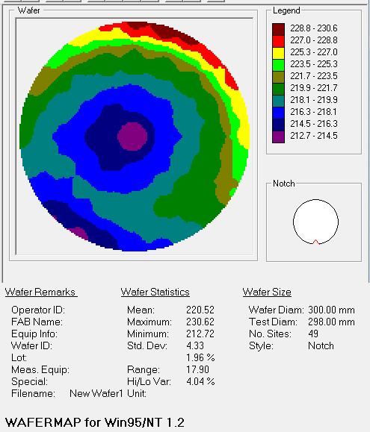
X | Y | Z Align | SigInt | Tilt X | Tilt Y | Hardware OK | MSE | Roughness | THK_4 | Composition | Angle Offset | n of SiGe (Comp Library) @ 950.0 nm | Ge_4 | Ge THK
0 | 0 | 0.54058176 | 27.287207 | -0.004348121 | 0.010486645 | 1 | 16.831087 | 21.043789 | 212.72 | 0.77329 | -0.1842541 | 3.9582543 | 22.671
-1.00E-05 | 4.94 | 0.54550356 | 27.771572 | -0.004348121 | 0.010486645 | 1 | 5.0135593 | 12.914715 | 217.12791 | 0.7709061 | 0.2871856 | 3.7533329 | 22.90939
-3.4931197 | 3.4930902 | 0.51403934 | 28.398733 | -0.004348121 | 0.010486645 | 1 | 4.876861 | 12.877499 | 216.2425 | 0.7714509 | 0.29118392 | 3.7530038 | 22.85491
-4.94 | -1.00E-05 | 0.48811045 | 28.650967 | -0.004348121 | 0.010486645 | 1 | 4.7834935 | 12.97152 | 215.74985 | 0.77169484 | 0.2916025 | 3.752856 | 22.830516
-3.4930902 | -3.4931197 | 0.5162518 | 28.126284 | -0.004348121 | 0.010486645 | 1 | 4.860379 | 12.966834 | 216.16942 | 0.7716606 | 0.28843004 | 3.7528768 | 22.83394
1.00E-05 | -4.94 | 0.5317193 | 27.384295 | -0.004348121 | 0.010486645 | 1 | 4.9207187 | 12.889345 | 216.84819 | 0.7716306 | 0.28451905 | 3.752895 | 22.83694
3.4931197 | -3.4930902 | 0.5230575 | 25.630398 | -0.004348121 | 0.010486645 | 1 | 5.027454 | 12.94092 | 217.89758 | 0.7715686 | 0.28041157 | 3.7529325 | 22.84314
4.94 | 1.00E-05 | 0.5392829 | 25.466854 | -0.004348121 | 0.010486645 | 1 | 5.0153656 | 13.031541 | 217.93738 | 0.7710818 | 0.27998906 | 3.753227 | 22.89182
3.4930902 | 3.4931197 | 0.546956 | 26.212784 | -0.004348121 | 0.010486645 | 1 | 5.0395603 | 13.126638 | 217.65947 | 0.77082783 | 0.2843448 | 3.7533798 | 22.917217
-3.00E-05 | 9.88 | 0.54787207 | 28.056435 | -0.004348121 | 0.010486645 | 1 | 5.2042265 | 12.99672 | 220.70421 | 0.7716108 | 0.29773578 | 3.752907 | 22.83892
-3.78095 | 9.12792 | 0.55453473 | 27.411694 | -0.004348121 | 0.010486645 | 1 | 5.15285 | 13.018207 | 220.20901 | 0.7719473 | 0.2903726 | 3.7527025 | 22.80527
-6.9862394 | 6.98619 | 0.49405125 | 28.61999 | -0.004348121 | 0.010486645 | 1 | 5.076779 | 13.087223 | 219.55644 | 0.77196664 | 0.31656376 | 3.7526908 | 22.803336
-9.127951 | 3.78088 | 0.52564865 | 28.333393 | -0.004348121 | 0.010486645 | 1 | 4.9622464 | 13.147936 | 218.76952 | 0.77224517 | 0.2878008 | 3.752521 | 22.775483
-9.88 | -4.00E-05 | 0.48652193 | 28.752094 | -0.004348121 | 0.010486645 | 1 | 4.8925624 | 13.242374 | 218.0004 | 0.7722429 | 0.29853216 | 3.7525225 | 22.77571
-9.12792 | -3.78095 | 0.45785618 | 28.84988 | -0.004348121 | 0.010486645 | 1 | 4.899225 | 13.245313 | 218.31926 | 0.77255476 | 0.31137818 | 3.7523315 | 22.744524
-6.98619 | -6.9862394 | 0.49838382 | 28.436737 | -0.004348121 | 0.010486645 | 1 | 4.8544717 | 13.188489 | 218.30466 | 0.7725806 | 0.28719467 | 3.7523158 | 22.74194
-3.78088 | -9.127951 | 0.5088822 | 27.9894 | -0.004348121 | 0.010486645 | 1 | 4.8404675 | 13.07046 | 218.95876 | 0.77284867 | 0.28379202 | 3.7521513 | 22.715133
4.00E-05 | -9.88 | 0.51887256 | 26.892565 | -0.004348121 | 0.010486645 | 1 | 4.942345 | 12.957871 | 219.51753 | 0.7730504 | 0.27942735 | 3.752027 | 22.69496
3.78095 | -9.12792 | 0.52077734 | 24.747929 | -0.004348121 | 0.010486645 | 1 | 4.9910445 | 12.936541 | 220.1915 | 0.7731163 | 0.27293152 | 3.7519865 | 22.68837
6.9862504 | -6.98619 | 0.5411603 | 21.439539 | -0.004348121 | 0.010486645 | 1 | 5.0386906 | 12.974025 | 220.64465 | 0.7731085 | 0.27197865 | 3.7519913 | 22.68915
9.127951 | -3.78088 | 0.53217435 | 21.89785 | -0.004348121 | 0.010486645 | 1 | 5.115603 | 13.041841 | 220.53793 | 0.7728902 | 0.27312934 | 3.7521257 | 22.71098
9.88 | 4.00E-05 | 0.54365087 | 21.936634 | -0.004348121 | 0.010486645 | 1 | 5.1188393 | 13.176086 | 220.14272 | 0.77249765 | 0.27537307 | 3.7523665 | 22.750235
9.12792 | 3.78095 | 0.54995966 | 23.587194 | -0.004348121 | 0.010486645 | 1 | 5.0958505 | 13.323207 | 219.9713 | 0.7720507 | 0.27558193 | 3.7526395 | 22.79493
6.9861803 | 6.9862504 | 0.573091 | 23.697578 | -0.004348121 | 0.010486645 | 1 | 5.152691 | 13.39766 | 220.30626 | 0.77204967 | 0.27826655 | 3.7526402 | 22.795033
3.78088 | 9.127951 | 0.5733102 | 26.260563 | -0.004348121 | 0.010486645 | 1 | 5.160103 | 13.307718 | 220.8128 | 0.7716405 | 0.2863654 | 3.752889 | 22.83595
-6.00E-05 | 14.82 | 0.5698868 | 27.53466 | -0.004348121 | 0.010486645 | 1 | 5.320137 | 13.0963955 | 229.41245 | 0.776789 | 0.30656636 | 3.7496786 | 22.3211
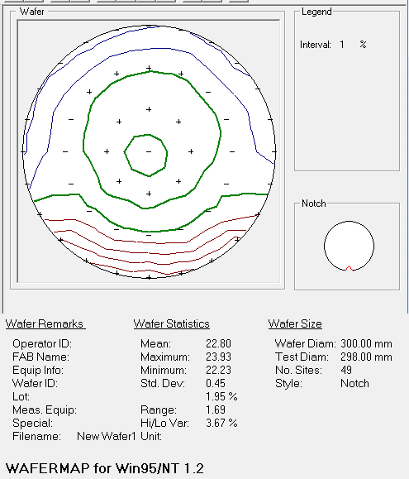
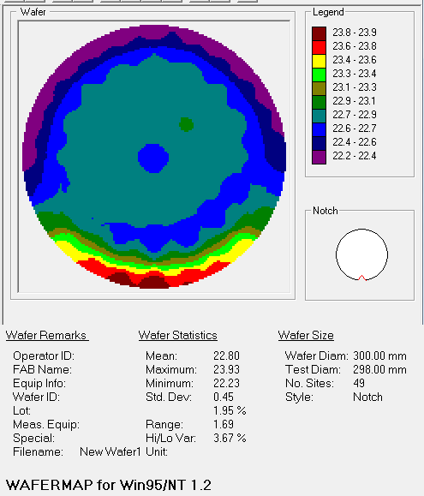
-3.83576 | 14.31501 | 0.5449267 | 28.519533 | -0.004348121 | 0.010486645 | 1 | 5.1786313 | 12.995281 | 227.28279 | 0.7774848 | 0.30748814 | 3.7492335 | 22.25152 | Ge%
-7.4100404 | 12.83448 | 0.5128429 | 28.682858 | -0.004348121 | 0.010486645 | 1 | 5.020319 | 13.173002 | 226.01042 | 0.7776574 | 0.3118757 | 3.7491229 | 22.23426
-10.479361 | 10.47928 | 0.5030277 | 28.639877 | -0.004348121 | 0.010486645 | 1 | 4.7606163 | 13.397011 | 224.2632 | 0.7771168 | 0.30717516 | 3.7494693 | 22.28832
-12.83452 | 7.4099603 | 0.52068585 | 28.524199 | -0.004348121 | 0.010486645 | 1 | 4.659015 | 13.5350065 | 222.96501 | 0.77676666 | 0.28889552 | 3.749693 | 22.323334
-14.315041 | 3.83564 | 0.5141923 | 28.431162 | -0.004348121 | 0.010486645 | 1 | 4.573777 | 13.554591 | 221.21806 | 0.77719706 | 0.28979182 | 3.749418 | 22.280294
-14.82 | -6.00E-05 | 0.51302433 | 28.230707 | -0.004348121 | 0.010486645 | 1 | 4.474242 | 13.511917 | 220.38492 | 0.77691543 | 0.2821804 | 3.749598 | 22.308457
-14.31501 | -3.83576 | 0.51935065 | 27.986977 | -0.004348121 | 0.010486645 | 1 | 4.1955853 | 13.964073 | 218.83495 | 0.77449244 | 0.27058017 | 3.751132 | 22.550756
-12.83446 | -7.4100404 | 0.5116476 | 28.017532 | -0.004348121 | 0.010486645 | 1 | 3.933967 | 13.663287 | 216.81511 | 0.77049387 | 0.26420113 | 3.7535803 | 22.950613
-10.47928 | -10.47937 | 0.5217022 | 28.024828 | -0.004348121 | 0.010486645 | 1 | 3.6710253 | 13.661298 | 214.44667 | 0.76479 | 0.24941416 | 3.7571049 | 23.521
-7.4099402 | -12.83452 | 0.5135918 | 28.23049 | -0.004348121 | 0.010486645 | 1 | 3.5713341 | 13.440736 | 214.06136 | 0.76255393 | 0.24396573 | 3.758455 | 23.744607
-3.83564 | -14.315041 | 0.5299852 | 27.073912 | -0.004348121 | 0.010486645 | 1 | 3.5299933 | 13.363964 | 214.5246 | 0.76126677 | 0.23062801 | 3.7592204 | 23.873323
6.00E-05 | -14.82 | 0.5319664 | 24.574867 | -0.004348121 | 0.010486645 | 1 | 3.5841331 | 13.112571 | 217.77045 | 0.7607273 | 0.2407817 | 3.7595625 | 23.92727
3.83576 | -14.31501 | 0.54494673 | 24.267134 | -0.004348121 | 0.010486645 | 1 | 3.65155 | 12.9076805 | 217.71141 | 0.76230127 | 0.23288135 | 3.7586057 | 23.769873
7.41006 | -12.83446 | 0.56532216 | 19.176907 | -0.004348121 | 0.010486645 | 1 | 3.729141 | 12.949074 | 219.56435 | 0.76337975 | 0.22976448 | 3.75796 | 23.662025
10.47937 | -10.47928 | 0.60114276 | 14.665324 | -0.004348121 | 0.010486645 | 1 | 3.745027 | 13.129358 | 220.14355 | 0.7641822 | 0.2271655 | 3.757475 | 23.58178
12.834531 | -7.4099402 | 0.5876666 | 11.354403 | -0.004348121 | 0.010486645 | 1 | 4.1233077 | 13.480491 | 223.6161 | 0.77019954 | 0.23354289 | 3.7537565 | 22.980046
14.315041 | -3.83564 | 0.5698911 | 8.811862 | -0.004348121 | 0.010486645 | 1 | 4.3734202 | 13.927355 | 224.42165 | 0.7726293 | 0.23000103 | 3.752286 | 22.73707
14.82 | 6.00E-05 | 0.5666557 | 7.61562 | -0.004348121 | 0.010486645 | 1 | 4.6634316 | 13.587872 | 226.35254 | 0.7758347 | 0.24544688 | 3.7502863 | 22.41653
14.31501 | 3.83576 | 0.5875781 | 6.6384587 | -0.004348121 | 0.010486645 | 1 | 4.6722627 | 13.5447855 | 226.65523 | 0.7762983 | 0.23912632 | 3.7499914 | 22.37017
12.83446 | 7.41006 | 0.61005354 | 7.2386556 | -0.004348121 | 0.010486645 | 1 | 4.746627 | 13.464996 | 227.77104 | 0.77660024 | 0.23852871 | 3.749799 | 22.339976
10.47928 | 10.47937 | 0.62282395 | 9.0213995 | -0.004348121 | 0.010486645 | 1 | 4.8860903 | 13.554017 | 227.8608 | 0.7773174 | 0.24065751 | 3.7493408 | 22.26826
7.4099402 | 12.834531 | 0.6729446 | 13.396914 | -0.004348121 | 0.010486645 | 1 | 5.0831323 | 13.509569 | 229.494 | 0.7769996 | 0.2594919 | 3.7495444 | 22.30004
3.83564 | 14.315041 | 0.63212293 | 21.041208 | -0.004348121 | 0.010486645 | 1 | 5.267259 | 13.506616 | 230.62375 | 0.77663547 | 0.2846214 | 3.7497766 | 22.336453
 |  |  |  |  |  |  |  |  | 220.52048286 |  |  |  | 22.797670898

 |  | y |  |  |  | x
 | 6.00E-05 | -14.82 | 217.77045 |  |  | -14.82 | -6.00E-05 | 220.38492
 | 4.00E-05 | -9.88 | 219.51753 |  |  | -9.88 | -4.00E-05 | 218.0004
 | 1.00E-05 | -4.94 | 216.84819 |  |  | -4.94 | -1.00E-05 | 215.74985
 | 0 | 0 | 212.72 |  |  | 0 | 0 | 212.72
 | -1.00E-05 | 4.94 | 217.12791 |  |  | 4.94 | 1.00E-05 | 217.93738
 | -3.00E-05 | 9.88 | 220.70421 |  |  | 9.88 | 4.00E-05 | 220.14272
 | -6.00E-05 | 14.82 | 229.41245 |  |  | 14.82 | 6.00E-05 | 226.35254

 |  | -45 |  |  |  |  | 45
 | 10.47937 | -10.47928 | 220.14355 |  |  | -10.47928 | -10.47937 | 214.44667
 | 6.9862504 | -6.98619 | 220.64465 |  |  | -6.98619 | -6.9862394 | 218.30466
 | 3.4931197 | -3.4930902 | 217.89758 |  |  | -3.4930902 | -3.4931197 | 216.16942
 | 0 | 0 | 212.72 |  |  | 0 | 0 | 212.72
 | -3.4931197 | 3.4930902 | 216.2425 |  |  | 3.4930902 | 3.4931197 | 217.65947
 | -6.9862394 | 6.98619 | 219.55644 |  |  | 6.9861803 | 6.9862504 | 220.30626
 | -10.479361 | 10.47928 | 224.2632 |  |  | 10.47928 | 10.47937 | 227.8608

